Alchemy Lycos 2023
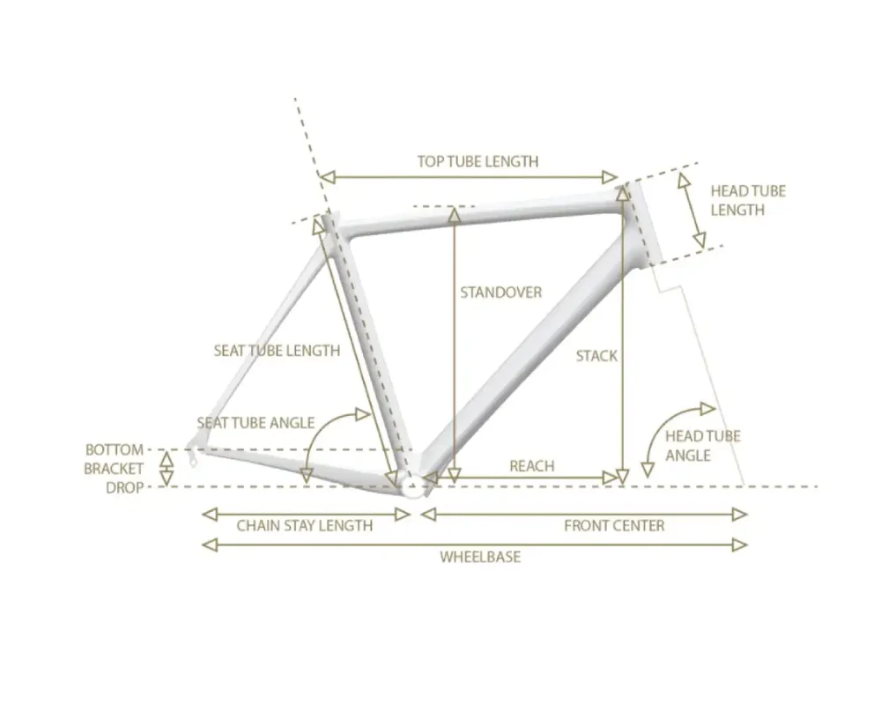
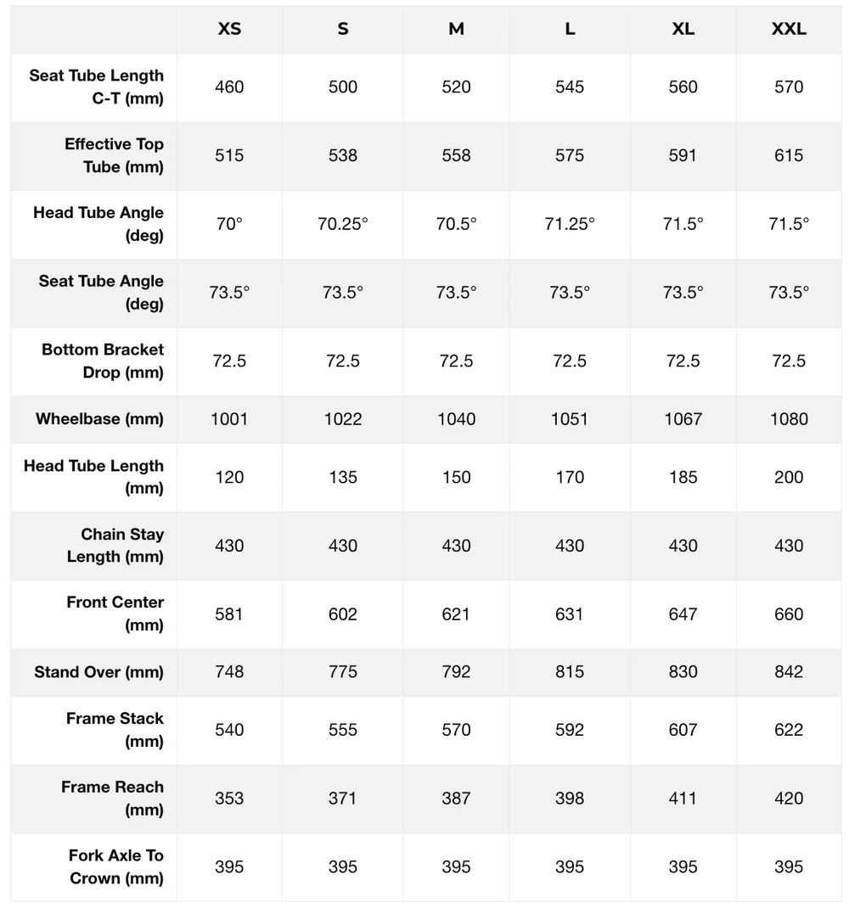
frame_size | Size | XS | S | M | L | XL | XXL
seat_tube_length | Seat Tube Length C-T (mm) | 460 | 500 | 520 | 545 | 560 | 570
top_tube_effective_length | Effective Top Tube (mm) | 515 | 538 | 558 | 575 | 591 | 615
head_tube_angle | Head Tube Angle (deg) | 70 | 70.25 | 70.5 | 71.25 | 71.5 | 71.5
seat_tube_angle | Seat Tube Angle (deg) | 73.5 | 73.5 | 73.5 | 73.5 | 73.5 | 73.5
bottom_bracket_drop | Bottom Bracket Drop (mm) | 72.5 | 72.5 | 72.5 | 72.5 | 72.5 | 72.5
wheelbase | Wheelbase (mm) | 1001 | 1022 | 1040 | 1051 | 1067 | 1080
head_tube_length | Head Tube Length (mm) | 120 | 135 | 150 | 170 | 185 | 200
chainstay_length | Chain Stay Length (mm) | 430 | 430 | 430 | 430 | 430 | 430
front_center | Front Center (mm) | 581 | 602 | 621 | 631 | 647 | 660
standover | Stand Over (mm) | 748 | 775 | 792 | 815 | 830 | 842
stack | Frame Stack (mm) | 540 | 555 | 570 | 592 | 607 | 622
reach | Frame Reach (mm) | 353 | 371 | 387 | 398 | 411 | 420
axle_crown | Fork Axle To Crown (mm) | 395 | 395 | 395 | 395 | 395 | 395
fork_offset_rake | fork_offset_rake
crank_length | crank_length
handlebar_width | handlebar_width
stem_length | stem_length
wheel_size | wheel_size | 700 | 700 | 700 | 700 | 700 | 700
tire_width_spec | tire_width_spec | 50 | 50 | 50 | 50 | 50 | 50
tire_width_max | tire_width_max | 50 | 50 | 50 | 50 | 50 | 50
rider_min | rider_min | 139.7 | 154.94 | 165.1 | 177.8 | 185.42 | 190.5
rider_max | rider_max | 154.94 | 167.64 | 177.8 | 185.42 | 190.5 | 203.2
 | 2023? | 58 | 61 | 64.5 | 68.5 | 70.5 | 73
 |  | 61 | 64.5 | 68.5 | 70.5 | 73 | 76
 | 2025 | 55 | 61 | 65 | 70 | 73 | 75
 |  | 61 | 66 | 70 | 73 | 75 | 80

Alle Bike MB31 Bramley 2022
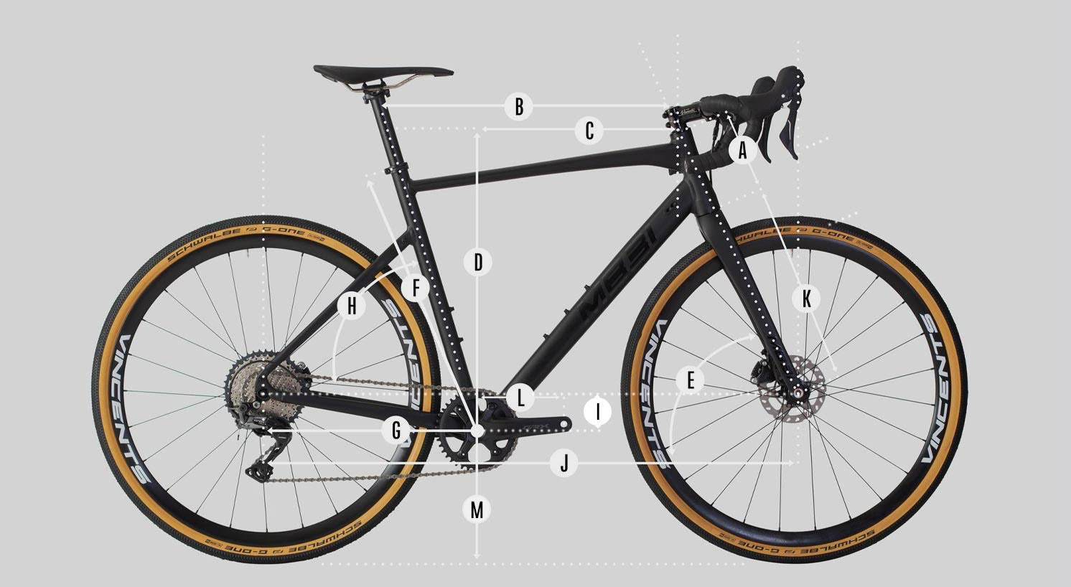
frame_size | size | S | M | L | XL
head_tube_length | A - Styrhuvudets höjd | 121 | 154 | 190 | 231
top_tube_effective_length | B - Effektiv längd, överrör | 557 | 578 | 591 | 612
reach | C - Reach | 403 | 415 | 418 | 428
stack | D - Stack | 538 | 569 | 603 | 641
head_tube_angle | E - Styrhuvudets vinkel | 70 | 70 | 70 | 70
seat_tube_length | F - Sadelrör | 466 | 494 | 527 | 562
chainstay_length_h | G - Kedjestagslängd | 427 | 427 | 427 | 427
seat_tube_angle | H - Sadelrörets vinkel | 74 | 74 | 74 | 74
bottom_bracket_drop | I - BB Drop | 75 | 75 | 75 | 75
wheelbase | J - Hjulbas | 1048 | 1071 | 1087 | 1111
axle_crown | K - Gaffellängd | 395 | 395 | 395 | 395
Bottom_bracket_height | M - BB Höjd
handlebar_width | Bredd på styre | 420 | 420 | 440 | 440
fork_offset_rake | fork_offset_rake
crank_length | crank_length
handlebar_width | handlebar_width
stem_length | stem_length
wheel_size | wheel_size | 700 | 700 | 700 | 700
tire_width_spec | tire_width_spec | 40 | 40 | 40 | 40
tire_width_max | tire_width_max | 47 | 47 | 47 | 47
rider_min |  | 158 | 168 | 174 | 182
rider_max |  | 172 | 178 | 186 | 196

 | Size recommendation for S 158 - 172 cm
 | Size recommendation for M 168 - 178 cm
 | Size recommendation for L 174 - 186 cm
 | Size recommendation for XL 182-196 cm

Amigo Bug Out 2022
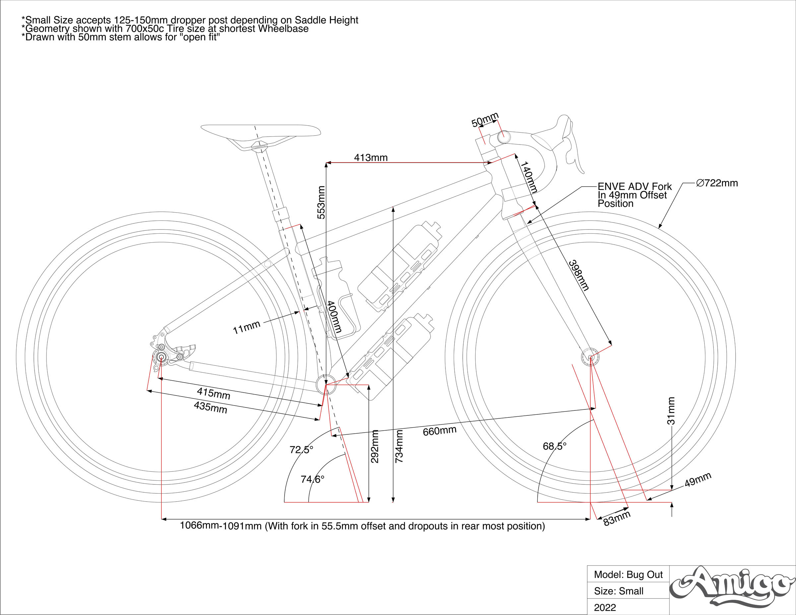
frame_size | Size | Small | Medium | Large | Extra Large
stack | Stack | 577 | 593 | 616 | 635 | Amigos' site links to bikeinsights
reach | Reach | 401 | 414 | 431 | 453
stack_reach | Stack to Reach Ratio | 1.44 | 1.43 | 1.43 | 1.4
seat_tube_length | Seat Tube Length, C-T | 410 | 460 | 480 | 500
top_tube_effective_length | top_tube_effective_length
top_tube_slope | Top Tube Slope | 19.5 | 15.6 | 15.4 | 14.7
head_tube_angle | Head Tube Angle | 68 | 68 | 68.5 | 68.5
seat_tube_angle, actual | Seat Tube Angle | 72.5 | 72.5 | 72.5 | 72.5
seat_tube_angle | Effective Seat Tube Angle, ETT HT Top | 74.6 | 74.4 | 74.3 | 74.2
head_tube_length | Head Tube Length | 160 | 180 | 200 | 220
bottom_bracket_drop | Bottom Bracket Drop | 77 | 77 | 77 | 77
bottom_bracket_ht | Bottom Bracket Height | 284 | 284 | 284 | 284
chainstay_length | Chainstay Length | 420 | 420 | 420 | 420
chainstay_length_max | Chainstay Length Max | 440 | 440 | 440 | 440
chainstay_length_h | Chainstay Length Horizontal | 412.9 | 412.9 | 412.9 | 412.9
chainstay_length_max_h | Chainstay Length Horizontal Max | 433.2 | 433.2 | 433.2 | 433.2
front_center | Front-Center | 655 | 680 | 700 | 730
front_center_horizontal | Front-Center Horizontal | 648.1 | 673.1 | 693.1 | 728.1
wheelbase | Wheelbase | 1061 | 1086 | 1106 | 1141
wheelbase_max | Wheelbase Max | 1091 | 1111 | 1131 | 1166
fork_offset_rake | Fork Offset/Rake | 49 | 49 | 49 | 49
axle_crown | Fork Length (Axle-To-Crown) | 400 | 400 | 400 | 400
trail | Trail | 93 | 93 | 89.5 | 89.5
mechanical_trail | Mechanical Trail | 86.2 | 86.2 | 83.3 | 83.3
flop | Wheel Flop | 32.3 | 32.3 | 30.5 | 30.5
standover | Standover Height | 733 | 761 | 781 | 800
crank_length | crank_length
handlebar_width | handlebar_width
stem_length | stem_length | 50 | 50 | 50 | 50
wheel_size | wheel_size | 700 | 700 | 700 | 700
tire_width_spec | tire_width_spec | 50 | 50 | 50 | 50
tire_width_max | tire_width_max | 50 | 50 | 50 | 50
rider_min | rider_min | 152.4 | 170.18 | 177.8 | 187.96
rider_max | rider_max | 170.18 | 177.8 | 187.96 | 198.12
 |  | 60 | 67 | 70 | 74
 |  | 67 | 70 | 74 | 78

 | PUBLISHED SIZING RECOMMENDATIONS

 | Height | 5 ft 0 in | 5 ft 7 in | 5 ft 10 in | 6 ft 3 in
 |  | to | to | to | to
 |  | 5 ft 7 in | 5 ft 10 in | 6 ft 2 in
 | PBH | 25 in | 27 in | 29 in | 34 in
 |  | to | to | to | to
 |  | 28 in | 32 in | 34 in

 |  | Small | Medium | Large | Extra Large
 | Stack | 577mm | 593mm | 616mm | 635mm
 | Reach | 401mm | 414mm | 431mm | 453mm
 | Stack to Reach Ratio | 1.44:1 | 1.43:1 | 1.43:1 | 1.4:1
 | Seat Tube Length, C-T | 410mm | 460mm | 480mm | 500mm
 | Top Tube Slope | 19.5deg | 15.6deg | 15.4deg | 14.7deg
 | Head Tube Angle | 68deg | 68deg | 68.5deg | 68.5deg
 | Seat Tube Angle | 72.5deg | 72.5deg | 72.5deg | 72.5deg
 | Effective Seat Tube Angle, ETT HT Top | 74.6deg | 74.4deg | 74.3deg | 74.2deg
 | Head Tube Length | 160mm | 180mm | 200mm | 220mm
 | Bottom Bracket Drop | 77mm | 77mm | 77mm | 77mm
 | Bottom Bracket Height | 284mm | 284mm | 284mm | 284mm
 | Chainstay Length | 420mm | 420mm | 420mm | 420mm
 | Chainstay Length Max | 440mm | 440mm | 440mm | 440mm
 | Chainstay Length Horizontal | 412.9mm | 412.9mm | 412.9mm | 412.9mm
 | Chainstay Length Horizontal Max | 433.2mm | 433.2mm | 433.2mm | 433.2mm
 | Front-Center | 655mm | 680mm | 700mm | 730mm
 | Front-Center Horizontal | 648.1mm | 673.1mm | 693.1mm | 728.1mm
 | Wheelbase | 1061mm | 1086mm | 1106mm | 1141mm
 | Wheelbase Max | 1091mm | 1111mm | 1131mm | 1166mm
 | Fork Offset/Rake | 49mm | 49mm | 49mm | 49mm
 | Fork Length (Axle-To-Crown) | 400mm | 400mm | 400mm | 400mm
 | Trail | 93mm | 93mm | 89.5mm | 89.5mm
 | Mechanical Trail | 86.2mm | 86.2mm | 83.3mm | 83.3mm
 | Wheel Flop | 32.3mm | 32.3mm | 30.5mm | 30.5mm
 | Standover Height | 733mm | 761mm | 781mm | 800mm

Blackheart Gravel AL 2024
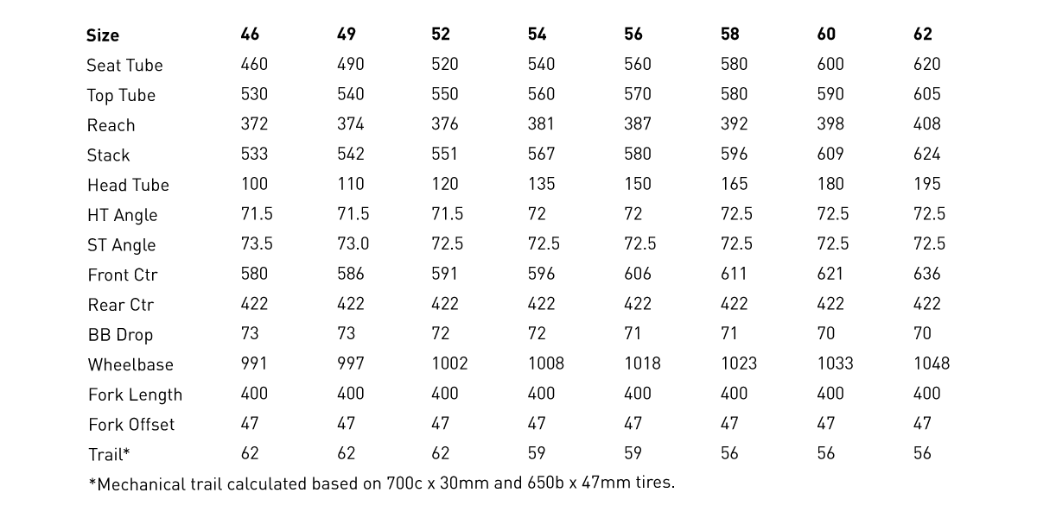
model | Blackheart Gravel AL
model year | 2024
input date | 30-Jun-23
URL | https://blackheartbikeco.com/products/gravel-al
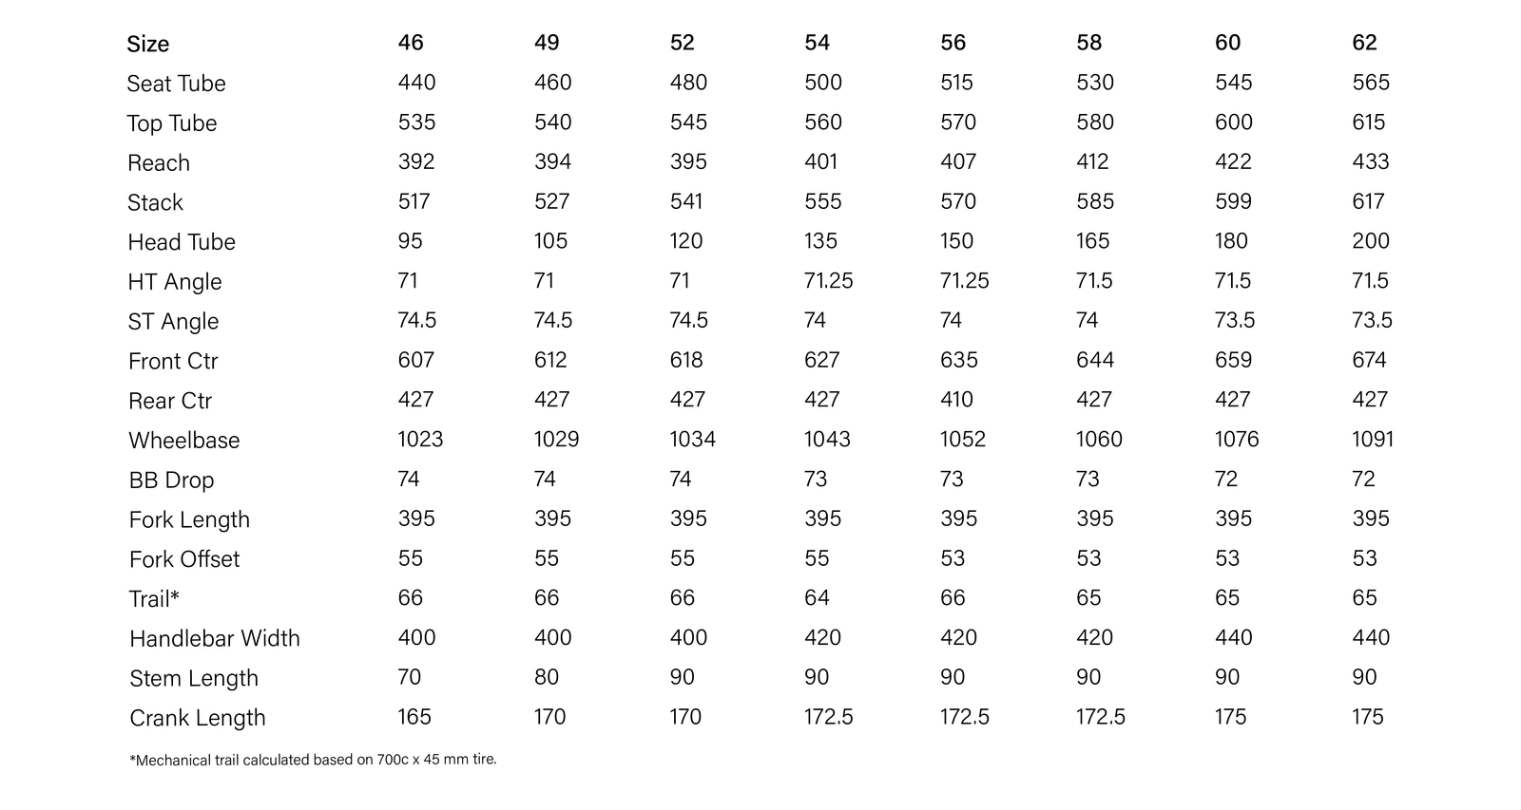
Material | aluminum
frame_size | Size | 46 | 49 | 52 | 54 | 56 | 58 | 60 | 62
seat_tube_length | Seat Tube | 440 | 460 | 480 | 500 | 515 | 530 | 545 | 565
top_tube_effective_length | Top Tube | 535 | 540 | 545 | 560 | 570 | 580 | 600 | 615
reach | Reach | 392 | 394 | 395 | 401 | 407 | 412 | 422 | 433
stack | Stack | 517 | 527 | 541 | 555 | 570 | 585 | 599 | 617
head_tube_length | Head Tube | 95 | 105 | 120 | 135 | 150 | 165 | 180 | 200
head_tube_angle | HT angle | 71 | 71 | 71 | 71.25 | 71.25 | 71.5 | 71.5 | 71.5
seat_tube_angle | ST angle | 74.5 | 74.5 | 74.5 | 74 | 74 | 74 | 73.5 | 73.5
front_center | Front Ctr | 607 | 612 | 618 | 627 | 635 | 644 | 659 | 674
chainstay_length | Rear Ctr | 427 | 427 | 427 | 427 | 410 | 427 | 427 | 427
wheelbase | Wheelbase | 1023 | 1029 | 1034 | 1043 | 1052 | 1060 | 1076 | 1091
bottom_bracket_drop | BB Drop | 74 | 74 | 74 | 73 | 73 | 73 | 72 | 72
axle_crown | Fork Length | 395 | 395 | 395 | 395 | 395 | 395 | 395 | 395
fork_offset_rake | Fork Offset | 55 | 55 | 55 | 55 | 53 | 53 | 53 | 53
trail | Trail | 66 | 66 | 66 | 64 | 66 | 65 | 65 | 65
handlebar_width | handlebar_width | 400 | 400 | 400 | 420 | 420 | 420 | 440 | 440
stem_length | stem_length | 70 | 80 | 90 | 90 | 90 | 90 | 90 | 90
crank_length | crank_length | 165 | 170 | 170 | 172.5 | 172.5 | 172.5 | 175 | 175
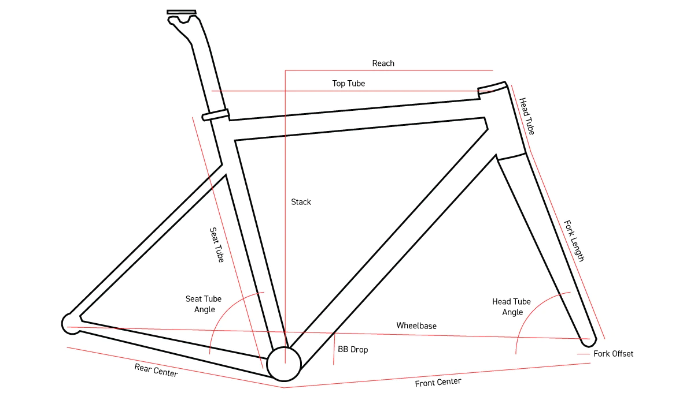
standover | standover
wheel_size | wheel_size | 700 | 700 | 700 | 700 | 700 | 700 | 700 | 700
tire_width_spec | tire_width_spec | 45 | 45 | 45 | 45 | 45 | 45 | 45 | 45
tire_width_max | tire_width_max | 47 | 47 | 47 | 47 | 47 | 47 | 47 | 47
rider_min |  | 155 | 160 | 168 | 173 | 178 | 183 | 188 | 193
rider_max |  | 160 | 168 | 173 | 178 | 183 | 188 | 193 | 198

BlackMtnCy La Cabra 2022
frame_size | Size | 15" | 16" | 18" | 20" | 22"
seat_tube_length | seat_tube_length | 380 | 405 | 460 | 508 | 560
head_tube_angle | head_tube_angle | 70 | 70 | 70.5 | 70.5 | 70.5
seat_tube_angle | seat_tube_angle | 74 | 73.5 | 73 | 72.5 | 72.5
top_tube_effective_length | top_tube_effective_length | 545 | 560 | 580 | 600 | 620
chainstay_length | chainstay_length | 444 | 444 | 444 | 444 | 444 | no pic
bottom_bracket_drop | bottom_bracket_drop | 70 | 70 | 70 | 70 | 70
head_tube_length | head_tube_length | 125 | 150 | 175 | 205 | 230
axle_crown | fork_length | 425 | 425 | 425 | 425 | 425
fork_offset_rake | fork_offset_rake | 55 | 55 | 50 | 50 | 50
trail | trail | 72 | 72 | 74 | 74 | 74
stack | stack | 581 | 604 | 632 | 660 | 684
reach | reach | 376 | 378 | 385 | 390 | 403
standover | standover | 736 | 760 | 799 | 836 | 872
front_center | front_center | 624 | 635 | 641 | 656 | 677
wheelbase | wheelbase | 1059 | 1070 | 1075 | 1091 | 1112
crank_length | crank_length
handlebar_width | handlebar_width
stem_length | stem_length
wheel_size | wheel_size | 29 | 30 | 31 | 32 | 33
tire_width_spec | tire_width_spec | 60.96 | 60.96 | 60.96 | 60.96 | 60.96 | *specs based on 2.4" tire
tire_width_max | tire_width_max | 71.12 | 71.12 | 71.12 | 71.12 | 71.12
rider_min |  | 152.4 | 163.83 | 171.45 | 179.07 | 186.69
rider_max |  | 163.83 | 171.45 | 179.07 | 186.69 | 198.12
rider_min |  | 152.4 | 162.56 | 170.18 | 177.8 | 185.42
rider_max |  | 165.1 | 172.72 | 180.34 | 187.96 | 198.12
 | max inches | 60 | 64 | 67 | 70 | 73
 | min inches | 65 | 68 | 71 | 74 | 78
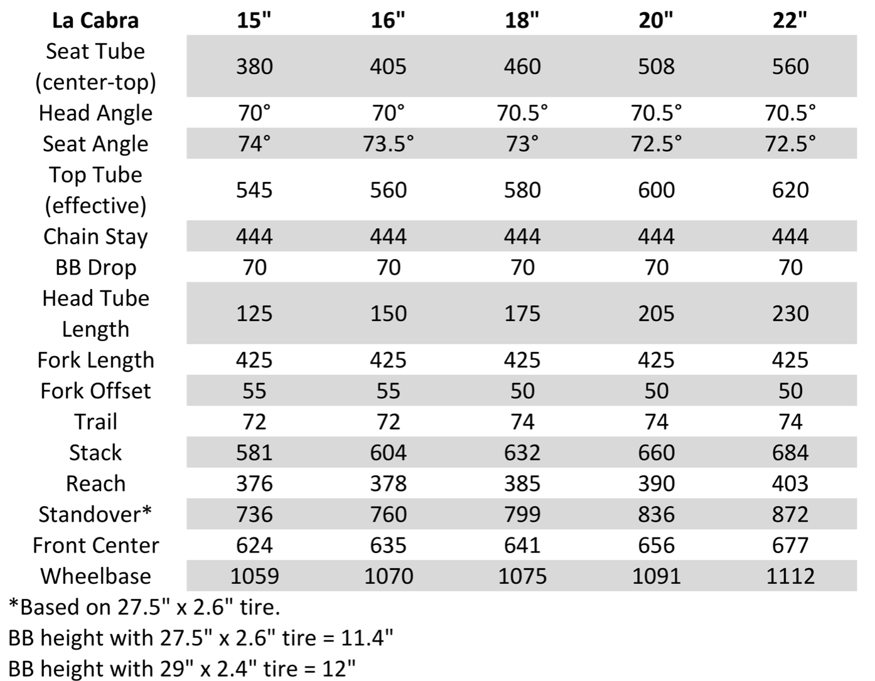

Frame Size | Minimum Seat Height | Maximum Seat Height | Rider Height Range
15” | 62cm | 69cm | 5’0” – 5’5”
16” | 64cm | 71cm | 5’4” – 5’8”
18” | 68cm | 77cm | 5’7” – 5’11”
20” | 75cm | 82cm | 5’10” – 6’2”
22” | 78cm | 87cm | 6’1” +

BlackMtnCy Monstercross V5 2022
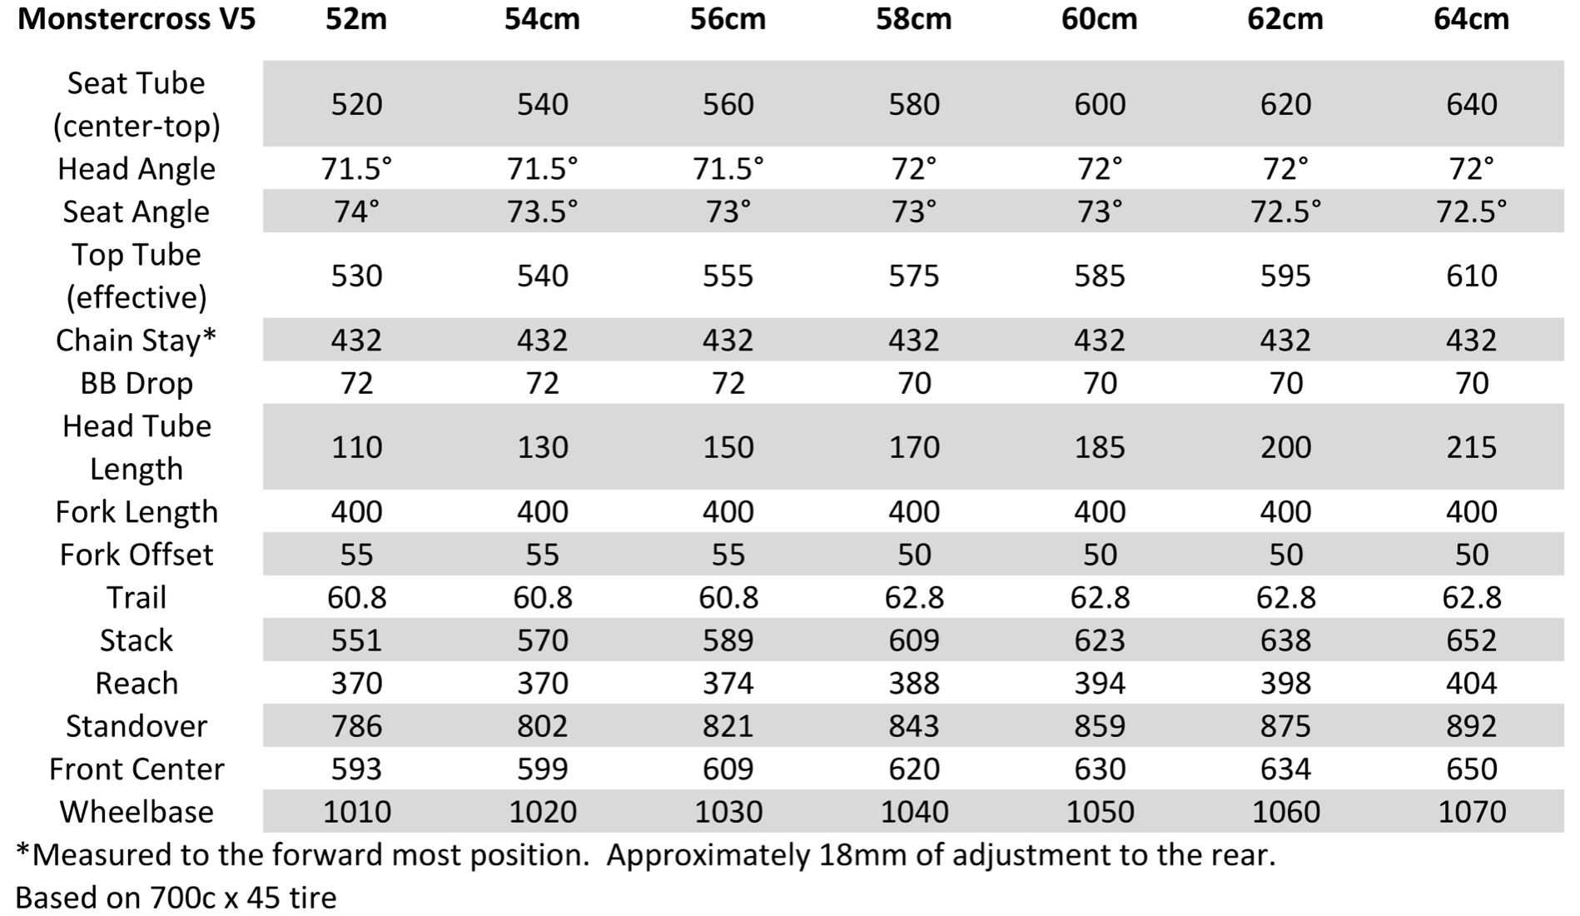
frame_size | frame_size | Size | 52cm | 54cm | 56cm | 58cm | 60cm | 62cm | 64cm
stack | seat_tube_length | seat_tube_length | 520 | 540 | 560 | 580 | 600 | 620 | 640
reach | head_tube_angle | head_tube_angle | 71.5 | 71.5 | 71.5 | 72 | 72 | 72 | 72
seat_tube_length | seat_tube_angle | seat_tube_angle | 74 | 73.5 | 73 | 73 | 73 | 72.5 | 72.5
top_tube_effective_length | top_tube_effective_length | top_tube_effective_length | 530 | 540 | 555 | 575 | 585 | 595 | 610
head_tube_angle | chainstay_length | chainstay_length | 432 | 432 | 432 | 432 | 432 | 432 | 432 | no pic
seat_tube_angle | bottom_bracket_drop | bottom_bracket_drop | 72 | 72 | 72 | 70 | 70 | 70 | 70
head_tube_length | head_tube_length | head_tube_length | 110 | 130 | 150 | 170 | 185 | 200 | 215
bottom_bracket_drop | axle_crown | fork_length | 400 | 400 | 400 | 400 | 400 | 400 | 400
chainstay_length | fork_offset_rake | fork_offset_rake | 55 | 55 | 55 | 50 | 50 | 50 | 50
wheelbase | trail | trail | 60.8 | 60.8 | 60.8 | 62.8 | 62.8 | 62.8 | 62.8
fork_offset_rake | stack | stack | 551 | 570 | 589 | 609 | 623 | 638 | 652
standover | reach | reach | 370 | 370 | 374 | 388 | 394 | 398 | 404
crank_length | standover | standover | 786 | 802 | 821 | 843 | 859 | 875 | 892
handlebar_width | front_center | front_center | 593 | 599 | 609 | 620 | 630 | 634 | 650
stem_length | wheelbase | wheelbase | 1010 | 1020 | 1030 | 1040 | 1050 | 1060 | 1070
wheel_size | crank_length | crank_length
tire_width_spec | handlebar_width | handlebar_width
tire_width_max | stem_length | stem_length
 | wheel_size | wheel_size | 700 | 700 | 700 | 700 | 700 | 700 | 700
 | tire_width_spec | tire_width_spec | 45 | 45 | 45 | 45 | 45 | 45 | 45
 | tire_width_max | tire_width_max | 50 | 50 | 50 | 50 | 50 | 50 | 50

BMC URS AL 2022
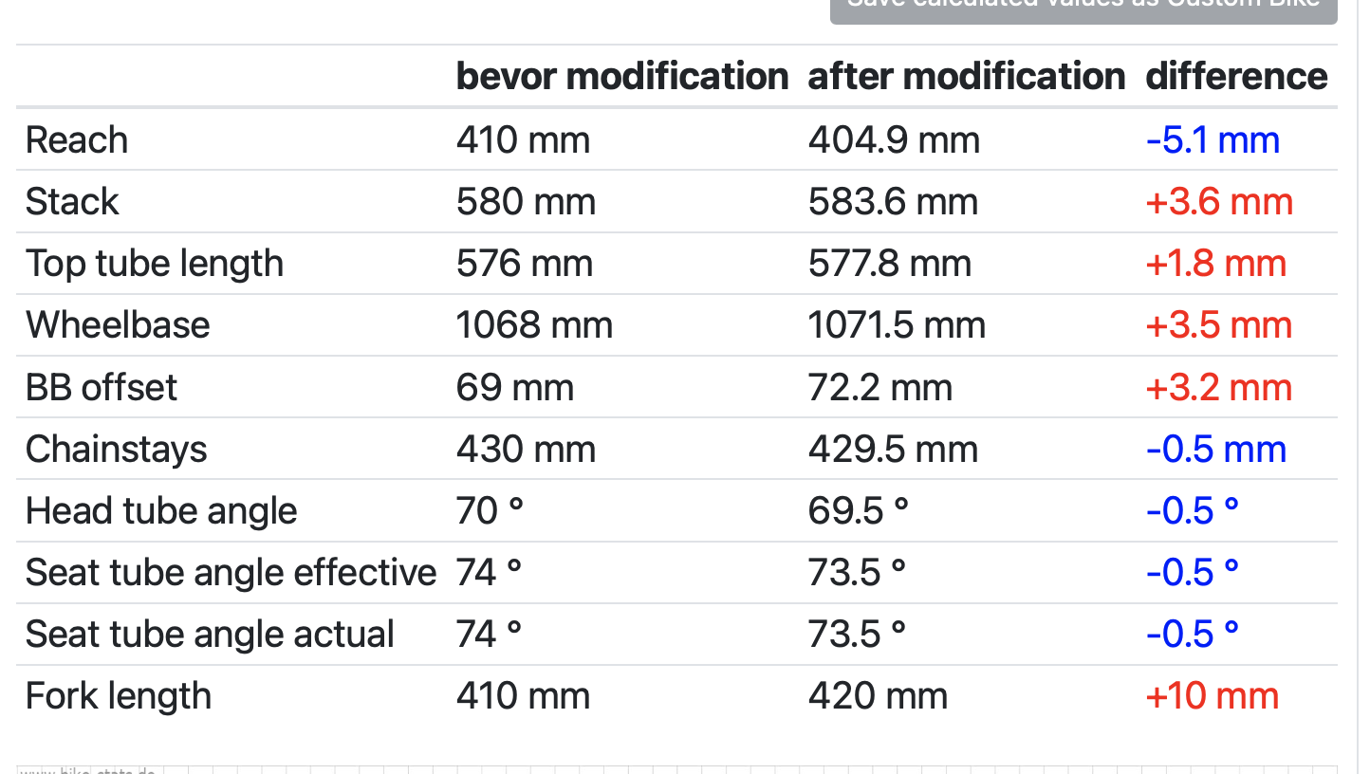
frame_size | Size | XS | S | M | L | XL
stack | Stack MM | 525 | 550 | 580 | 610 | 640
reach | Reach MM (reach) | 390 | 400 | 410 | 420 | 430
seat_tube_length | Seat Tube MM (st) | 430 | 445 | 475 | 505 | 540
top_tube_effective_length | Top Tube MM (tt) | 540 | 558 | 576 | 595 | 614
head_tube_length | Head Tube MM (ht) | 92 | 118 | 150 | 182 | 214
seat_tube_angle | Seat Tube Angle (sa) | 74 | 74 | 74 | 74 | 74
head_tube_angle | Head Angle (ha) | 70 | 70 | 70 | 70 | 70
chainstay_length | Rear Center MM (rc) | 430 | 430 | 430 | 430 | 430
front_center | Front Center MM (fc) | 608 | 626 | 647 | 668 | 689
wheelbase | Wheelbase MM (wb) | 1028 | 1047 | 1068 | 1089 | 1110
bottom_bracket_drop | BB Drop MM (drop) | 69 | 69 | 69 | 69 | 69
axle_crown | Fork Length MM (fl) | 410 | 410 | 410 | 410 | 410
fork_offset_rake | Fork Rake MM (fr) | 45 | 45 | 45 | 45 | 45
trail | Trail MM (trail) | 78 | 78 | 78 | 78 | 78
crank_length | Crank Length MM | 170 | 170 | 172.5 | 172.5 | 175
stem_length | Stem Length MM | 70 | 70 | 70 | 80 | 80
stem_angle | Stem Angle | 6 | 6 | 6 | 6 | 6
handlebar_width | Bar Width MM | 420 | 420 | 420 | 440 | 440
bar_drop | Bar Drop MM | 130 | 130 | 130 | 130 | 130
bar_reach | Bar Reach MM | 70 | 70 | 70 | 70 | 70
seatpost_offset | Post Offset MM | 15 | 15 | 15 | 15 | 15
standover | Standover Height mm | 720 | 738 | 768 | 797 | 830
seatpost_length | Seatpost Length MM | 350 | 350 | 350 | 350 | 350
wheel_size | wheel_size | 700 | 700 | 700 | 700 | 700
tire_width_spec | tire_width_spec | 45 | 45 | 45 | 45 | 45
tire_width_max | tire_width_max | 45 | 45 | 45 | 45 | 45
rider_min |  | 155 | 163 | 171 | 181 | 191
rider_max |  | 163 | 171 | 181 | 191 | 200
rider_min_spec |  | 155 | 162 | 170 | 180 | 190
rider_max_spec |  | 165 | 172 | 182 | 192 | 198

 | Size | XS | S | M | L | XL
 | Rider Height CM | < 165 | 162-172 | 170-182 | 180-192 | >190

BMC URS One 2022
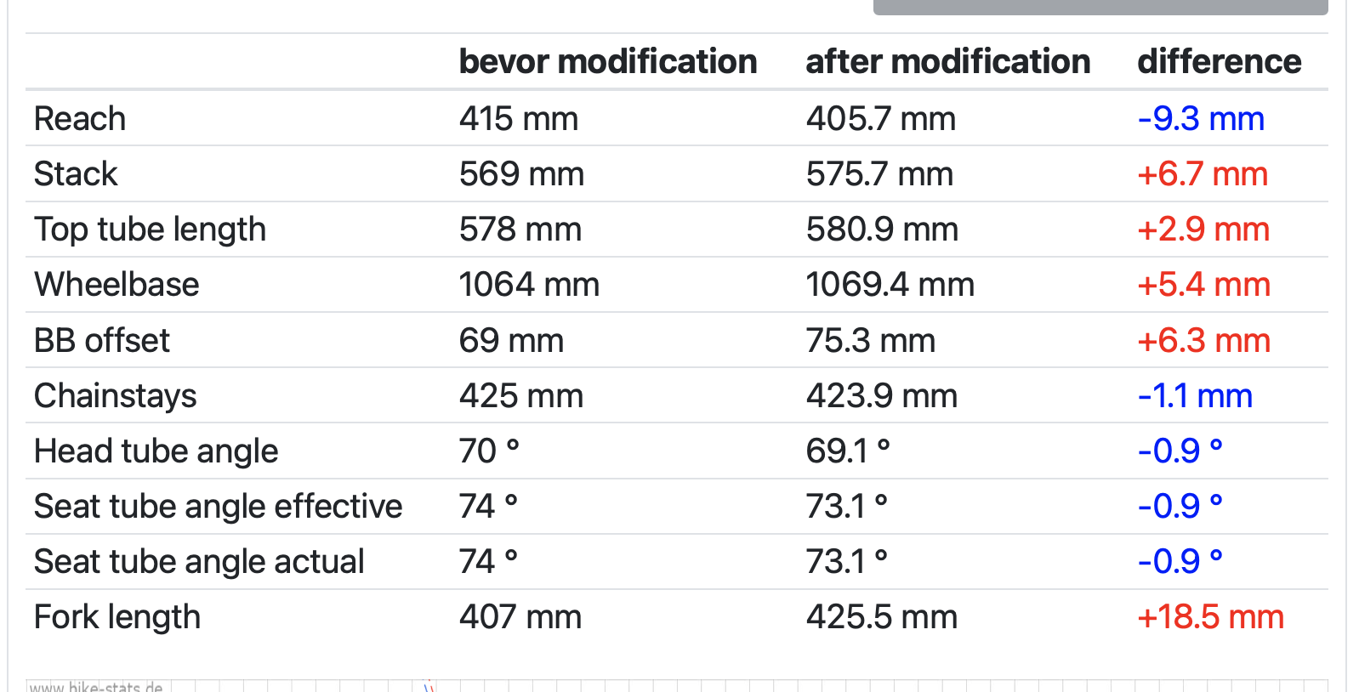
frame_size | Size | S | M | L | XL
stack | Stack MM | 538 | 569 | 603 | 641
reach | Reach MM (reach) | 403 | 415 | 419 | 429
seat_tube_length | Seat Tube MM (st) | 431 | 459 | 492 | 527
top_tube_effective_length | Top Tube MM (tt) | 557 | 578 | 591 | 612
head_tube_length | Head Tube MM (ht) | 113 | 146 | 172 | 207
seat_tube_angle | Seat Tube Angle (sa) | 74 | 74 | 74 | 74
head_tube_angle | Head Angle (ha) | 70 | 70 | 70 | 70
chainstay_length | Rear Center MM (rc) | 425 | 425 | 425 | 425
front_center | Front Center MM (fc) | 625 | 648 | 665 | 700
wheelbase | Wheelbase MM (wb) | 1041 | 1064 | 1081 | 1105
bottom_bracket_drop | BB Drop MM (drop) | 69 | 69 | 69 | 69
axle_crown | Fork Length MM (fl) | 407 | 407 | 407 | 407
fork_offset_rake | Fork Rake MM (fr) | 45 | 45 | 45 | 45
trail | Trail MM (trail) | 77 | 77 | 77 | 77
crank_length | Crank Length MM | 170.0 | 172.5 | 172.5 | 175.0
stem_length | Stem Length MM | 70 | 70 | 80 | 90
handlebar_width | Bar Width MM | 420 | 420 | 440 | 440
bar_drop | Bar Drop MM | 120 | 120 | 120 | 120
bar_reach | Bar Reach MM | 80 | 80 | 80 | 80
standover | Standover Height mm | 748 | 778 | 810 | 846
seatpost | Seatpost Length MM | 330 | 380 | 430 | 430
wheel_size | wheel_size | 700 | 700 | 700 | 700
tire_width_spec | tire_width_spec | 40 | 40 | 40 | 40
tire_width_max | tire_width_max | 42 | 42 | 42 | 42
rider_min |  | 165 | 172 | 179 | 187
rider_max |  | 172 | 179 | 187 | 196
rider_min_spec |  |  | 172 | 178 | 186
rider_max_spec |  | 170 | 180 | 188 | 196
 | Size | S | M | L | XL
 | Rider Height CM | <170 | 172-180 | 178-188 | 186-196
 | Stack MM | 538 | 569 | 603 | 641
 | Reach MM (reach) | 403 | 415 | 419 | 429
 | Seat Tube MM (st) | 431 | 459 | 492 | 527
 | Top Tube MM (tt) | 557 | 578 | 591 | 612
 | Head Tube MM (ht) | 113 | 146 | 172 | 207
 | Seat Tube Angle (sa) | 74.0 | 74.0 | 74.0 | 74.0
 | Head Angle (ha) | 70.0 | 70.0 | 70.0 | 70.0
 | Rear Center MM (rc) | 425 | 425 | 425 | 425
 | Front Center MM (fc) | 625 | 648 | 665 | 700
 | Wheelbase MM (wb) | 1041 | 1064 | 1081 | 1105
 | BB Drop MM (drop) | 69 | 69 | 69 | 69
 | Fork Length MM (fl) | 407 | 407 | 407 | 407
 | Fork Rake MM (fr) | 45 | 45 | 45 | 45
 | Trail MM (trail) | 77 | 77 | 77 | 77
 | Crank Length MM | 170 | 172.5 | 172.5 | 175
 | Stem Length MM | 70 | 70 | 80 | 90
 | Bar Width MM | 42 | 42 | 44 | 44
 | Bar Drop MM | 120 | 120 | 120 | 120
 | Bar Reach MM | 80 | 80 | 80 | 80
 | Standover Height mm | 748 | 778 | 810 | 846
 | Seatpost Length MM | 330 | 380 | 430 | 430

 | bmc urs one with 40 mm Fox TC.png

Breezer Radar X Pro 2022
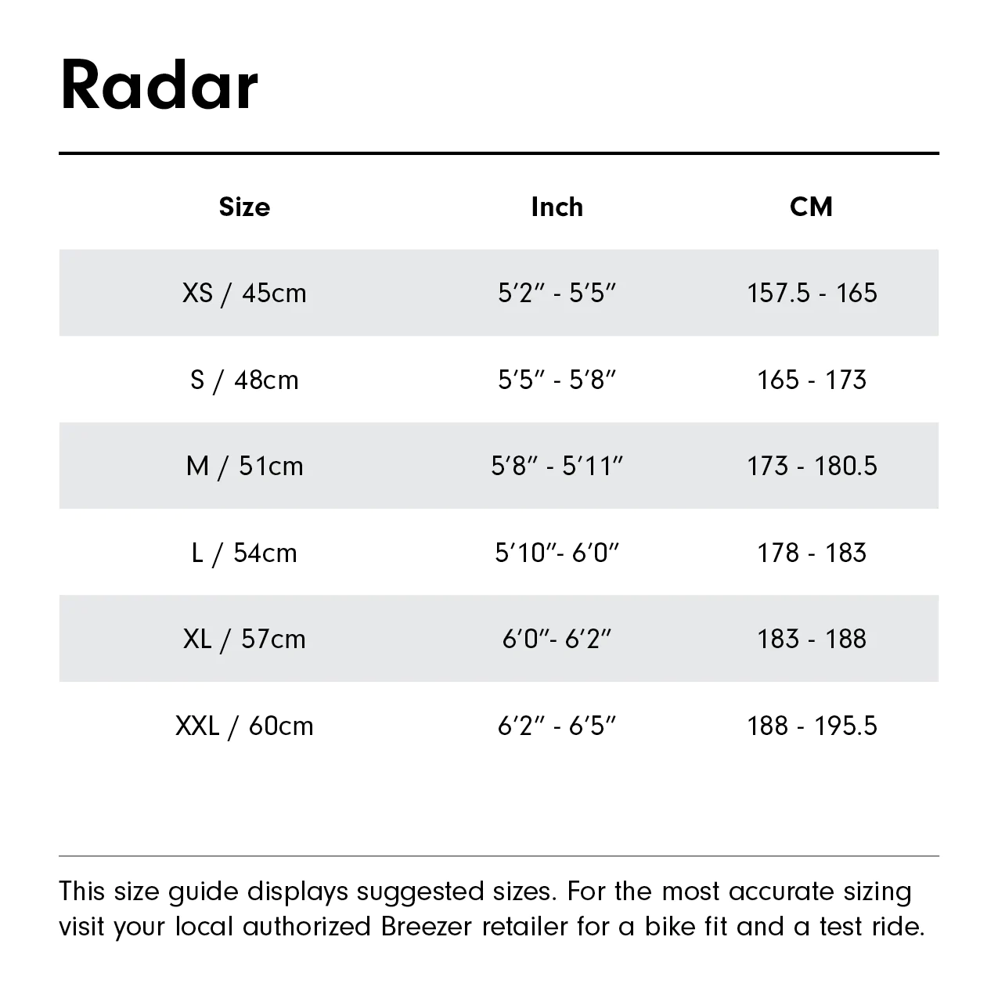
frame_size | BIKE SIZE(*COMPACT FRAME) | 45cm (XS) | 48cm (S) | 51cm (M) | 54cm (L) | 57cm (XL) | 60cm (XXL)
seat_tube_length | SEAT TUBE, CENTER TO TOP | 450 | 480 | 510 | 540 | 570 | 600
top_tube_effective_length | TOP TUBE, EFFECTIVE | 580 | 590 | 600 | 610 | 623 | 642
head_tube_length | HEAD TUBE LENGTH | 120 | 120 | 155 | 170 | 170 | 190
seat_tube_angle | SEAT TUBE ANGLE | 74 | 73.5 | 73 | 73 | 73 | 73
head_tube_angle | HEAD TUBE ANGLE | 69 | 69 | 69 | 69 | 69 | 69
chainstay_length | CHAINSTAY LENGTH | 444 | 444 | 444 | 444 | 444 | 444
wheelbase | WHEELBASE | 1099 | 1103 | 1110 | 1122 | 1136 | 1155
bottom_bracket_drop | BOTTOM BRACKET DROP | 75 | 75 | 75 | 75 | 75 | 75
fork_offset_rake | FORK OFFSET | 51 | 51 | 51 | 51 | 51 | 51
stack | STACK | 568 | 568 | 601 | 615 | 615 | 633
reach | REACH | 417 | 421 | 421 | 422 | 435 | 448
standover | STANDOVER | 775 | 788 | 818 | 839 | 853 | 872
stem_length | STEM MM | 70 | 70 | 80 | 80 | 80 | 90
handlebar_width | HANDLEBAR WIDTH MM | 480 | 480 | 500 | 500 | 500 | 500
crank_length | CRANK MM | 170 | 170 | 175 | 175 | 175 | 175
wheel_size | WHEEL SIZE | 29 | 29 | 29 | 29 | 29 | 29
tire_width_spec | Tires | 57.15 | 57.15 | 57.15 | 57.15 | 57.15 | 57.15
tire_width_max | tire_width_max | 63.5 | 63.5 | 63.5 | 63.5 | 63.5 | 63.5
axle_crown | Axle to Crown | 435 | 435 | 435 | 435 | 435 | 435
seat_post_diameter | SEAT POST DIAMETER MM | 30.9 | 30.9 | 30.9 | 30.9 | 30.9 | 30.9
handlebar_width | HANDLEBAR WIDTH CM | 48 | 48 | 50 | 50 | 50 | 50
rider_min | 157.5 | 165 | 173 | 179 | 183 | 188 | 193 | #shifted left because of weired sizing
rider_max | 165 | 173 | 179 | 183 | 188 | 193 | 195.5

frame_material | Frame | steel | steel | steel | steel | steel | steel

Cannondale SuperSix Evo SE 2022
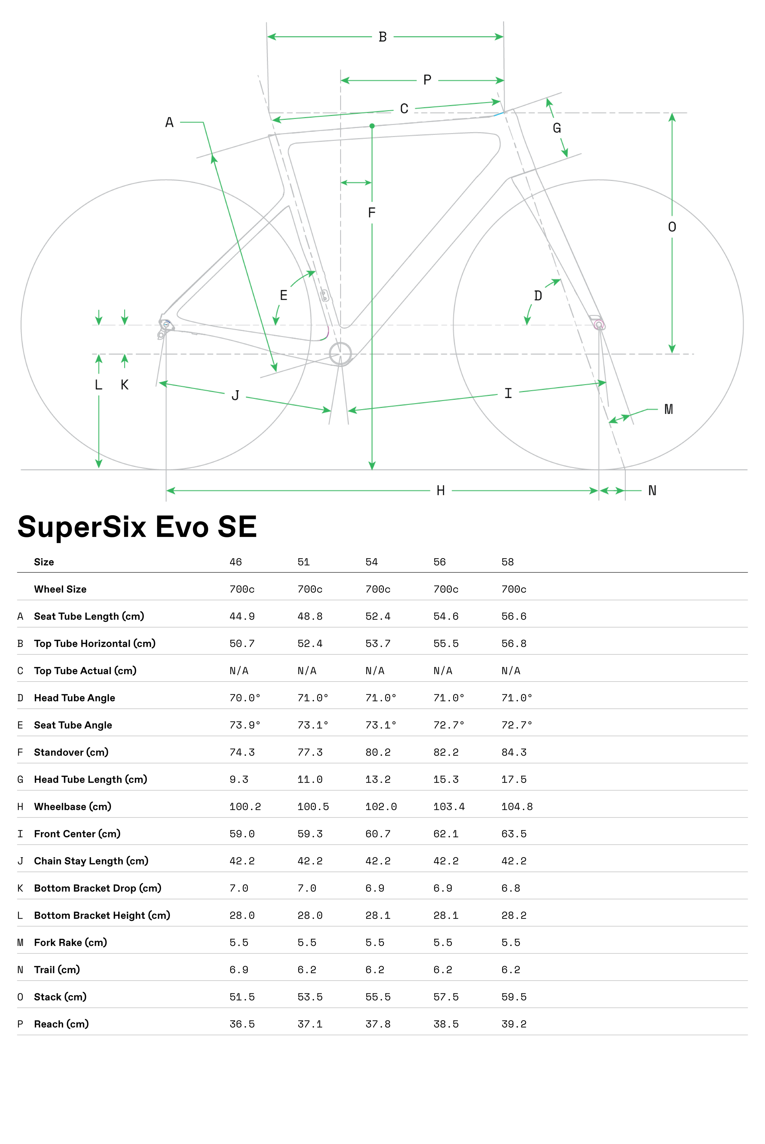
frame_size | size | 48 | 51 | 54 | 56 | 58
seat_tube_length | Seat Tube Length | 449 | 488 | 524 | 546 | 566
top_tube_effective_length | Top Tube Horizontal | 507 | 524 | 537 | 555 | 568
top_tube_actual | Top Tube actual
head_tube_angle | head tube angle | 70 | 71 | 71 | 71 | 71
seat_tube_angle | seat tube angle | 73.9 | 73.1 | 73.1 | 72.7 | 72.7
standover | standover | 743 | 773 | 802 | 822 | 843
head_tube_length | head tube length | 93 | 110 | 132 | 153 | 175
wheelbase | wheelbase | 1002 | 1005 | 1020 | 1034 | 1048
front_center | front center | 590 | 593 | 607 | 621 | 636
chainstay_length | chainstay length | 422 | 422 | 422 | 422 | 422
bottom_bracket_drop | bottom bracket drop | 70 | 70 | 69 | 69 | 68
bottom_bracket_height | bottom bracket height | 280 | 280 | 281 | 281 | 282
fork_offset_rake | fork rake | 55 | 55 | 55 | 55 | 55
trail | trail | 69 | 62 | 62 | 62 | 62
stack | stack | 515 | 535 | 555 | 575 | 595
reach | reach | 365 | 371 | 378 | 385 | 392
crank_length | crank_length
handlebar_width | handlebar_width
stem_length | stem_length
wheel_size | wheel_size | 700 | 700 | 700 | 700 | 700
tire_width_spec | tire_width_spec | 40 | 40 | 40 | 40 | 40
tire_width_max | tire_width_max | 45 | 45 | 45 | 45 | 45
rider_min | rider_min | 152.4 | 163.8 | 172.7 | 179.1 | 184.2
rider_max | rider_max | 163.8 | 172.7 | 179.1 | 184.2 | 193.0

 | rider_min | 60 | 65 | 67 | 70 | 72
 | rider_max | 64 | 69 | 71 | 73 | 76
 | rider height min ' | 5 | 5 | 5 | 5 | 6
 | rider height min " | 0 | 5 | 7 | 10 | 0
 | rider height max ' | 5 | 5 | 5 | 6 | 6
 | rider height max " | 4 | 9 | 11 | 1 | 4
 | size | 48 | 51 | 54 | 56 | 58
 | Wheel Size | 700 | 700 | 700 | 700 | 700
 | Seat Tube Length | 44.9 | 48.8 | 52.4 | 54.6 | 56.6
 | Top Tube Horizontal | 50.7 | 52.4 | 53.7 | 55.5 | 56.8
 | Top Tube actual
 | head tube angle | 70 | 71 | 71 | 71 | 71
 | seat tube angle | 73.9 | 73.1 | 73.1 | 72.7 | 72.7
 | standover | 74.3 | 77.3 | 80.2 | 82.2 | 84.3
 | head tube length | 9.3 | 11 | 13.2 | 15.3 | 17.5
 | wheelbase | 100.2 | 100.5 | 102 | 103.4 | 104.8
 | front center | 59 | 59.3 | 60.7 | 62.1 | 63.6
 | chainstay length | 42.2 | 42.2 | 42.2 | 42.2 | 42.2
 | bottom bracket drop | 7 | 7 | 6.9 | 6.9 | 6.8
 | bottom bracket height | 28 | 28 | 28.1 | 28.1 | 28.2
 | fork rake | 5.5 | 5.5 | 5.5 | 5.5 | 5.5
 | trail | 6.9 | 6.2 | 6.2 | 6.2 | 6.2
 | stack | 51.5 | 53.5 | 55.5 | 57.5 | 59.5
 | reach | 36.5 | 37.1 | 37.8 | 38.5 | 39.2

Cannondale Topstone Lefty 2023
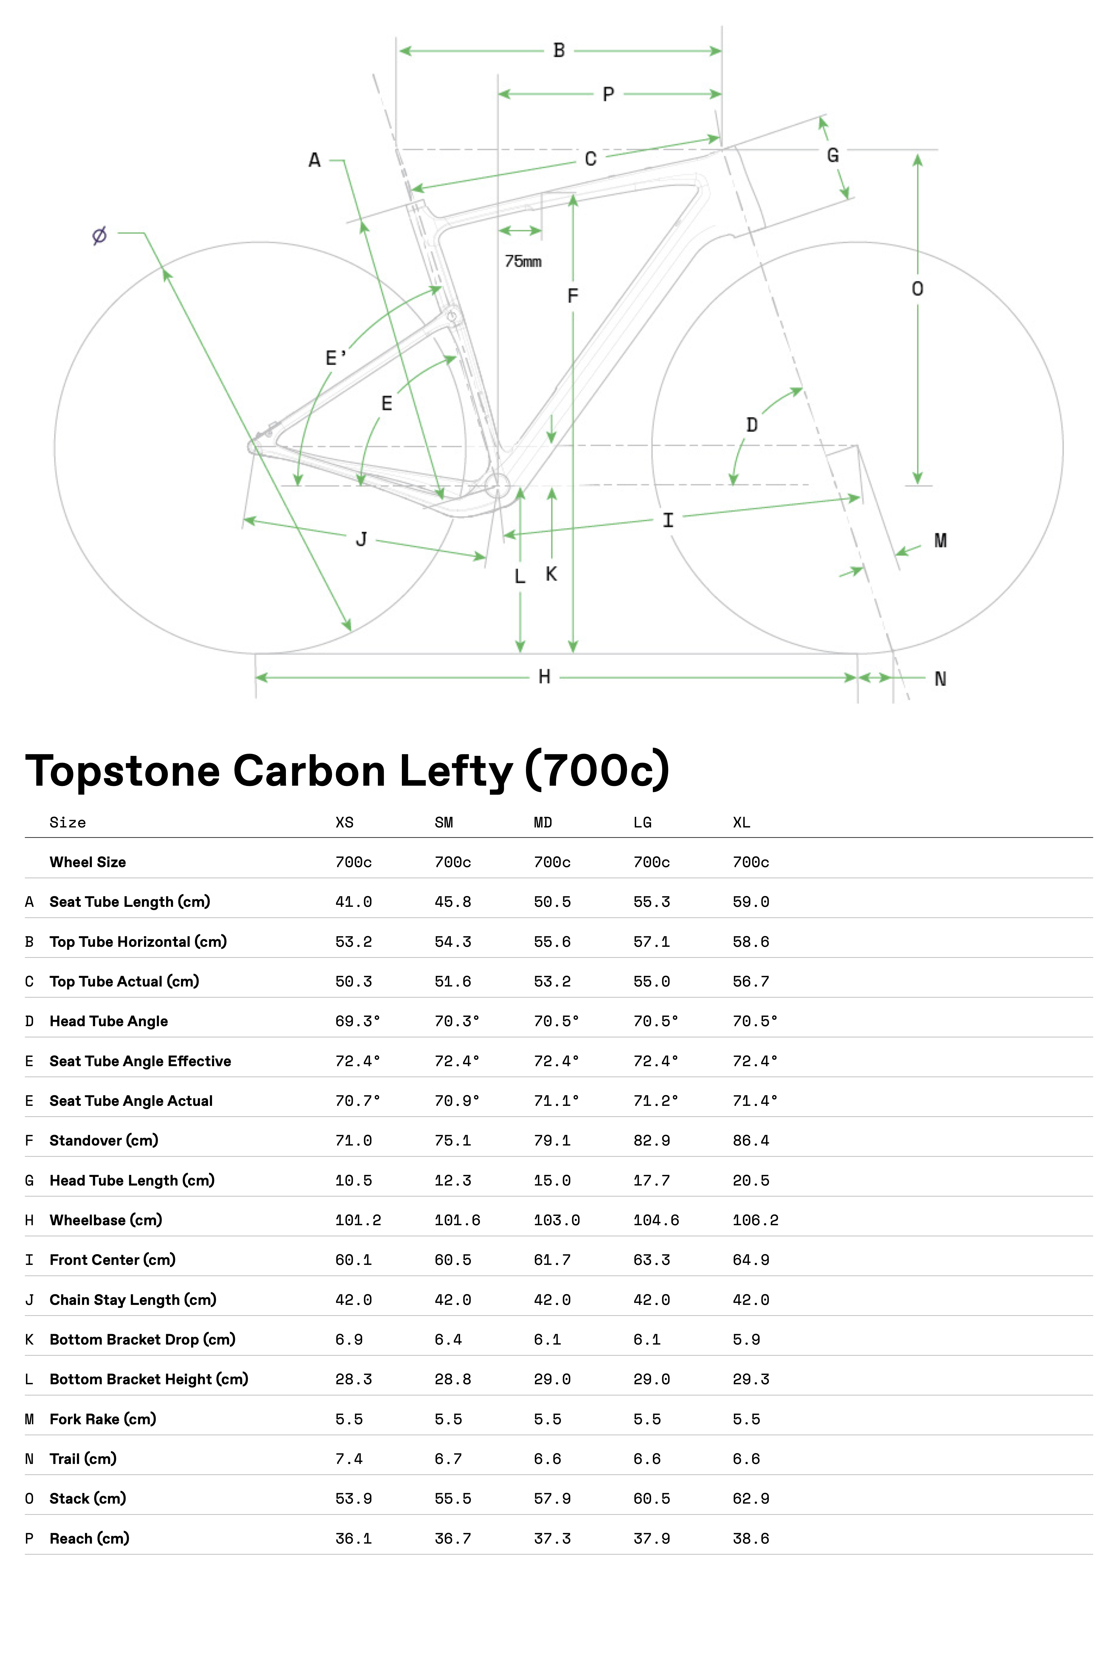
frame_size | size | XS | SM | MD | LG | XL
seat_tube_length | Seat Tube Length | 410 | 458 | 505 | 553 | 590
top_tube_effective_length | Top Tube Horizontal | 532 | 543 | 556 | 571 | 586
top_tube_actual | Top Tube actual | 503 | 516 | 532 | 550 | 567
head_tube_angle | head tube angle | 69.3 | 70.3 | 70.5 | 70.5 | 70.5
seat_tube_angle | seat tube angle effective | 72.4 | 72.4 | 72.4 | 72.4 | 72.4
seat_tube_angle_actual | seat tube angle actual | 70.7 | 70.9 | 71.1 | 71.2 | 71.4
standover | standover | 710 | 751 | 791 | 829 | 864
head_tube_length | head tube length | 105 | 123 | 150 | 177 | 205
wheelbase | wheelbase | 1012 | 1016 | 1030 | 1046 | 1062
front_center | front center | 601 | 605 | 617 | 633 | 649
chainstay_length | chainstay length | 420 | 420 | 420 | 420 | 420
bottom_bracket_drop | bottom bracket drop | 69 | 64 | 61 | 61 | 59
bottom_bracket_height | bottom bracket height | 283 | 288 | 290 | 290 | 293
fork_offset_rake | fork rake | 55 | 55 | 55 | 55 | 55
trail | trail | 74 | 67 | 66 | 66 | 66
stack | stack | 539 | 555 | 579 | 605 | 629
reach | reach | 361 | 367 | 373 | 379 | 386
crank_length | crank_length
handlebar_width | handlebar_width
stem_length | stem_length
wheel_size | wheel_size | 700 | 700 | 700 | 700 | 700
tire_width_spec | tire_width_spec | 44 | 44 | 44 | 44 | 44
tire_width_max | tire_width_max | 45 | 45 | 45 | 45 | 45
rider_min | rider_min | 147 | 162.5 | 172.5 | 181 | 187.5
rider_max | rider_max | 162.5 | 172.5 | 181 | 187.5 | 203

 | rider_min | 147 | 160 | 170 | 177 | 182
 | rider_max | 165 | 175 | 185 | 193 | 203

 | size | XS | SM | MD | LG | XL
 | Wheel Size | 700 | 700 | 700 | 700 | 700
 | Seat Tube Length | 41 | 45.8 | 50.5 | 55.3 | 59
 | Top Tube Horizontal | 53.2 | 54.3 | 55.6 | 57.1 | 58.6
 | Top Tube actual | 50.3 | 51.6 | 53.2 | 55 | 56.7
 | head tube angle | 69.3 | 70.3 | 70.5 | 70.5 | 70.5
 | seat tube angle effective | 72.4 | 72.4 | 72.4 | 72.4 | 72.4
 | seat tube angle actual | 70.7 | 70.9 | 71.1 | 71.2 | 71.4
 | standover | 71 | 75.1 | 79.1 | 82.9 | 86.4
 | head tube length | 10.5 | 12.3 | 15 | 17.7 | 20.5
 | wheelbase | 101.2 | 101.6 | 103 | 104.6 | 106.2
 | front center | 60.1 | 60.5 | 61.7 | 63.3 | 64.9
 | chainstay length | 42 | 42 | 42 | 42 | 42
 | bottom bracket drop | 6.9 | 6.4 | 6.1 | 6.1 | 5.9
 | bottom bracket height | 28.3 | 28.8 | 29 | 29 | 29.3
 | fork rake | 5.5 | 5.5 | 5.5 | 5.5 | 5.5
 | trail | 7.4 | 6.7 | 6.6 | 6.6 | 6.6
 | stack | 53.9 | 55.5 | 57.9 | 60.5 | 62.9
 | reach | 36.1 | 36.7 | 37.3 | 37.9 | 38.6

Chiru Kegeti 2023
model | Chiru Kegeti
model year | 2023
input date | 4-Jul-23
URL | https://www.chirubikes.com/kit-cadre/kegeti/
Material | steel
frame_size | Parties | S | M | L | XL
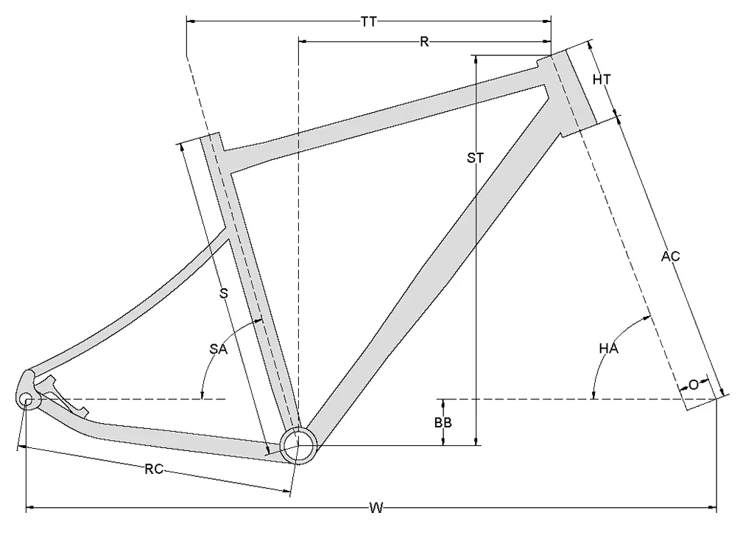
top_tube_effective_length | TT (mm) | 565 | 587 | 600 | 615
seat_tube_length | S (mm) | 465 | 520 | 555 | 570
chainstay_length | RC (mm) | 445 | 445 | 447 | 449
wheelbase | W (mm) | 1066 | 1110 | 1085 | 1106
bottom_bracket_drop | BB (mm) | 77 | 75 | 73 | 70
head_tube_length | HT (mm) | 120 | 130 | 155 | 175
seat_tube_angle | SA (deg.) | 74.25 | 74 | 74 | 74
head_tube_angle | HA (deg.) | 69.5 | 69 | 70 | 70
axle_crown | AC (mm) | 485 | 485 | 485 | 485
fork_offset_rake | O (mm) | 50 | 50 | 50 | 50
stack | ST (mm) | 623 | 633 | 654 | 670
reach | R (mm) | 385 | 406 | 412 | 423
standover | standover
crank_length | crank_length
handlebar_width | handlebar_width
stem_length | stem_length
wheel_size | wheel_size | 29 | 29 | 29 | 29
tire_width_spec | tire_width_spec | 55.88 | 55.88 | 55.88 | 55.88 | *
tire_width_max | tire_width_max | 60.96 | 60.96 | 60.96 | 60.96
rider_min |  | 163 | 171 | 179 | 189
rider_max |  | 171 | 179 | 189 | 200
 |  | 163 | 170 | 178 | 188
 |  | 172 | 180 | 190 | 200
 | Rider Size | 163-172 | 170-180 | 178-190 | 188-200

 |  | * frameset only so used the 2.2 Panaracer in the image

Chiru Kegeti 2022
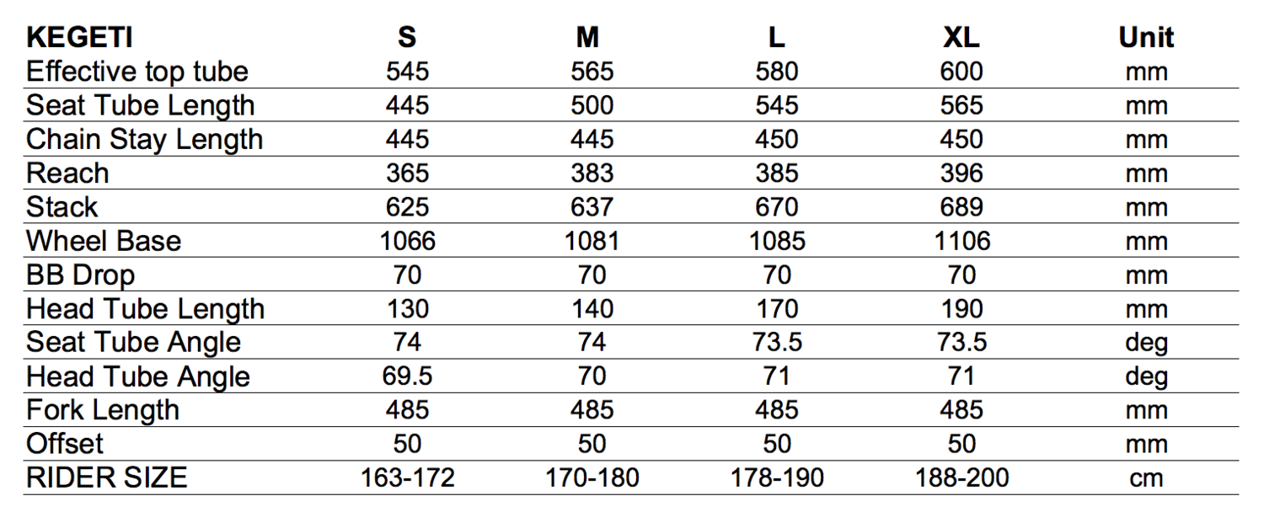
model | Chiru Kegeti
model year | 2020
input date
URL
Material | steel
frame_size | Size | S | M | L | XL
top_tube_effective_length | Effective Top Tube | 545 | 565 | 580 | 600
seat_tube_length | Seat Tube Length | 445 | 500 | 545 | 565
chainstay_length | Chain Stay Length | 445 | 445 | 450 | 450 | pic illustrates horizontal component
reach | Reach | 365 | 383 | 385 | 396
stack | Stack | 625 | 637 | 670 | 689
wheelbase | Wheel Base | 1066 | 1081 | 1085 | 1106
bottom_bracket_drop | BB Drop | 70 | 70 | 70 | 70
head_tube_length | Head Tube Length | 130 | 140 | 170 | 190
seat_tube_angle | Seat Tube Angle | 74 | 74 | 73.5 | 73.5
head_tube_angle | Head Tube Angle | 69.5 | 70 | 71 | 71
axle_crown | Fork Length | 485 | 485 | 485 | 485
fork_offset_rake | Offset | 50 | 50 | 50 | 50
standover | standover
crank_length | crank_length
handlebar_width | handlebar_width
stem_length | stem_length
wheel_size | wheel_size | 700 | 700 | 700 | 700
tire_width_spec | tire_width_spec
tire_width_max | tire_width_max | 60.96 | 60.96 | 60.96 | 60.96
rider_min |  | 163 | 171 | 179 | 189
rider_max |  | 171 | 179 | 189 | 200
 |  | 163 | 170 | 178 | 188
 |  | 172 | 180 | 190 | 200

 | Rider Size | 163-172 | 170-180 | 178-190 | 188-200

Commencal 365 2023
frame_size | SIZE | XS | S | M | L | XL
seat_tube_length | 1 SEAT TUBE LENGTH | 460 | 480 | 500 | 520 | 540
seat_tube_angle | 2 SEAT TUBE ANGLE | 72.5 | 72.5 | 72.5 | 72.5 | 72.5
head_tube_angle | 3 HEAD TUBE ANGLE | 70.5 | 70.8 | 71 | 71.2 | 71.4
head_tube_length | 4 HEAD TUBE LENGTH | 135 | 145 | 155 | 170 | 185
wheelbase | 5 WHEELBASE | 1010 | 1035 | 1056.5 | 1079.5 | 1107.4
top_tube_effective_length | 6 TOP TUBE LENGTH | 522 | 547 | 570 | 596 | 625
chainstay_h | 7 CHAIN STAY LENGTH | 420 | 425 | 425 | 425 | 425
bottom_bracket_drop | 8 BOTTOM BRACKET HEIGHT | 65 | 70 | 70 | 70 | 70
axle_crown | 9 FORK LENGTH | 10 | 410 | 410 | 410 | 410
standover | 10 STANDOVER HEIGHT | 739 | 749.6 | 767.4 | 774.4 | 800
reach | 11 REACH | 360 | 380 | 400 | 420 | 445
stack | 12 STACK | 564 | 580 | 590 | 605 | 620
fork_offset_rake | 13 FORK OFFSET | 55 | 55 | 55 | 55 | 55
chainstay_length | chainstay_length | 425 | 430.72613109 | 430.72613109 | 430.72613109 | 430.72613109
crank_length | crank_length | 170 | 170 | 172.5 | 172.5 | 175
handlebar_width | handlebar_width
stem_length | stem_length | 70 | 70 | 70 | 70 | 70
wheel_size | wheel_size | 650 | 700 | 700 | 700 | 700
tire_width_spec | tire_width_spec | 47 | 45 | 45 | 45 | 45
tire_width_max | tire_width_max | 47 | 47 | 47 | 47 | 47
rider_min | rider_min | 148 | 159 | 169 | 179 | 189
rider_max | rider_max | 159 | 169 | 179 | 189 | 200
 |  | 148 | 158 | 168 | 178 | 188
 |  | 160 | 170 | 180 | 190 | 200

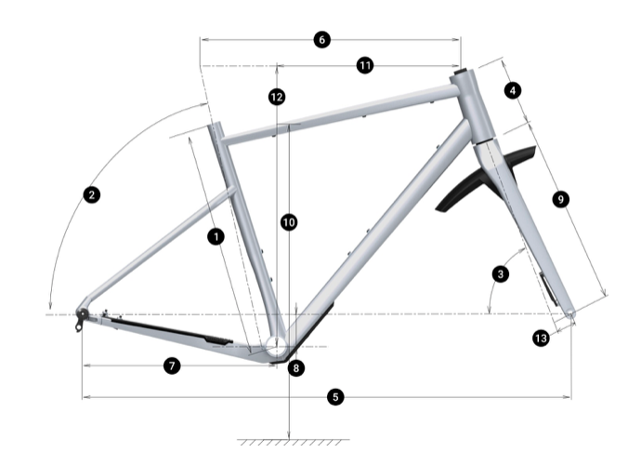
 | 1 | SEAT TUBE LENGTH
 | 2 | SEAT TUBE ANGLE
 | 3 | HEAD TUBE ANGLE
 | 4 | HEAD TUBE LENGTH
 | 5 | WHEELBASE
 | 6 | TOP TUBE LENGTH
 | 7 | CHAIN STAY LENGTH
 | 8 | BOTTOM BRACKET HEIGHT
 | 9 | FORK LENGTH
 | 10 | STANDOVER HEIGHT
 | 11 | REACH
 | 12 | STACK
 | 13 | FORK OFFSET

 |  | 148 cm160 cm
 |  | S
 |  | 158 cm170 cm
 |  | M
 |  | 168 cm180 cm
 |  | L
 |  | 178 cm190 cm
 |  | XL
 |  | 188 cm200 cm

Curve GMX+ Steel 2023
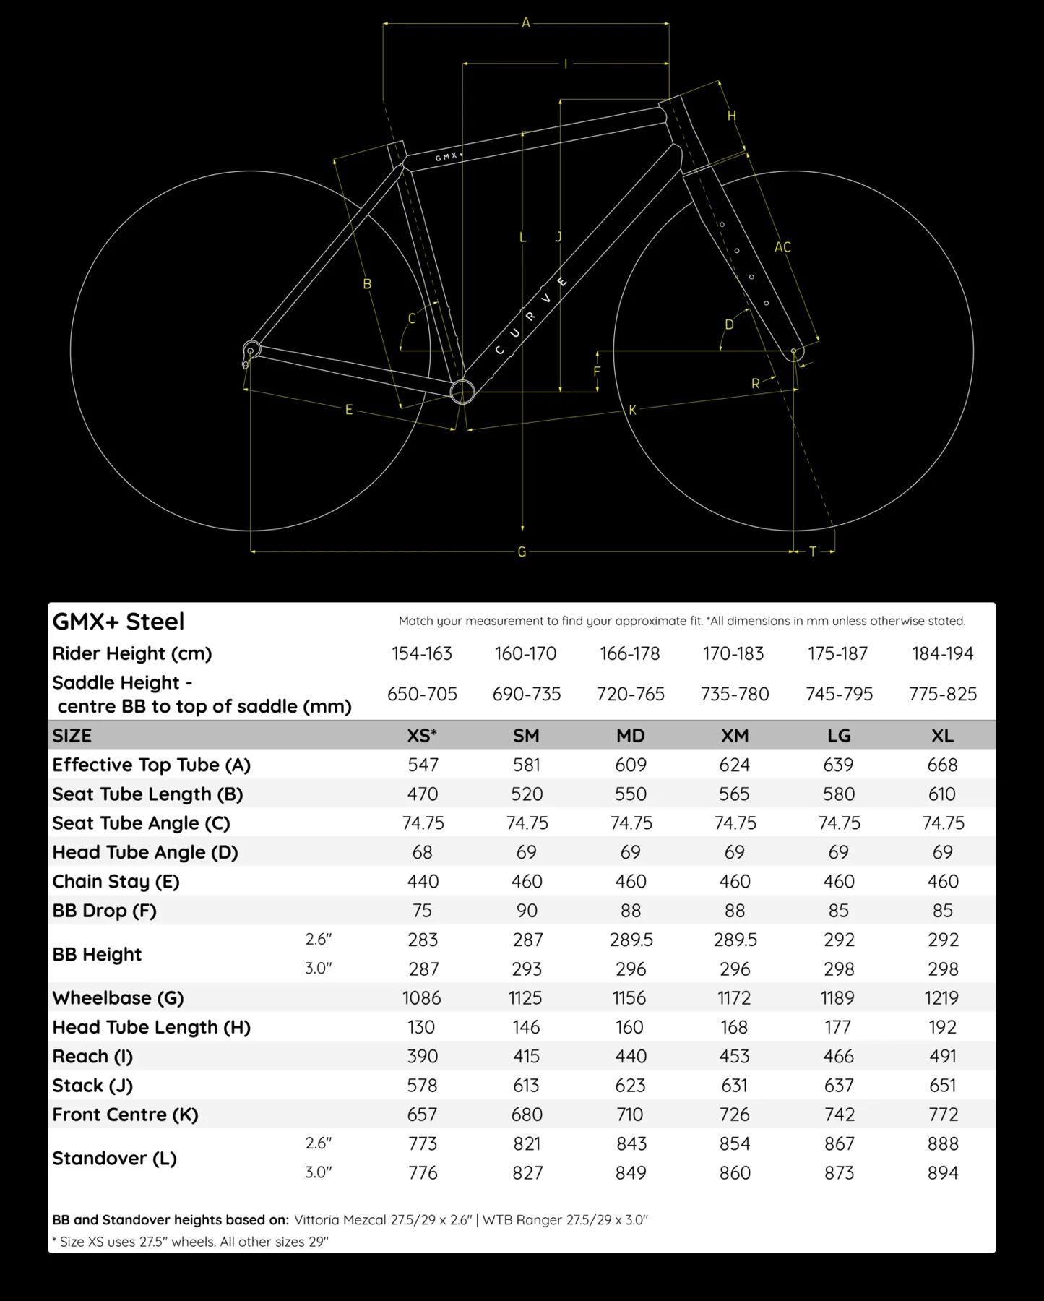
model | Curve GMX+ Steel
model year | 2023
input date | 26-Jul-23
URL | https://www.curvecycling.com.au/products/gmx-steel
Material | steel
frame_size | frame size | XS | SM | MD | XM | LG | XL
top_tube_effective_length | Effective Top Tube | 547 | 581 | 609 | 624 | 639 | 668
seat_tube_length | Seat Tube Length | 470 | 520 | 550 | 565 | 580 | 610
seat_tube_angle | Seat Tube Angle | 74.75 | 74.75 | 74.75 | 74.75 | 74.75 | 74.75
head_tube_angle | Head Tube Angle | 68 | 69 | 69 | 69 | 69 | 69
chainstay_length | Chain Stay | 440 | 460 | 460 | 460 | 460 | 460
bottom_bracket_drop | BB Drop | 75 | 90 | 88 | 88 | 85 | 85
bottom_bracket_height | BB Height | 283 | 287 | 289.5 | 289.5 | 292 | 292
wheelbase | Wheelbase | 1086 | 1125 | 1156 | 1172 | 1189 | 1219
head_tube_length | Head Tube Length | 130 | 146 | 160 | 168 | 177 | 192
reach | Reach | 390 | 415 | 440 | 453 | 466 | 491
stack | Stack | 578 | 613 | 625 | 631 | 637 | 651
front_center | Front Center | 657 | 680 | 710 | 726 | 742 | 772
standover | Standover | 773 | 821 | 843 | 854 | 867 | 888
fork_offset_rake | fork_offset_rake | 55 | 55 | 55 | 55 | 55 | 55
axle_crown | axle_crown | 430 | 430 | 430 | 430 | 430 | 430
crank_length | crank_length
handlebar_width | handlebar_width
stem_length | stem_length | 60 | 60 | 60 | 60 | 60 | 60
wheel_size | wheel_size | 29 | 29 | 29 | 29 | 29 | 29
tire_width_spec | tire_width_spec | 66.04 | 66.04 | 66.04 | 66.04 | 66.04 | 66.04
tire_width_max | tire_width_max
rider_min |  | 154 | 161.5 | 168 | 174 | 179 | 185.5
rider_max |  | 161.5 | 168 | 174 | 179 | 185.5 | 194
 |  | 154 | 160 | 166 | 170 | 175 | 184
 |  | 163 | 170 | 178 | 183 | 187 | 194

Enve Mog 2023
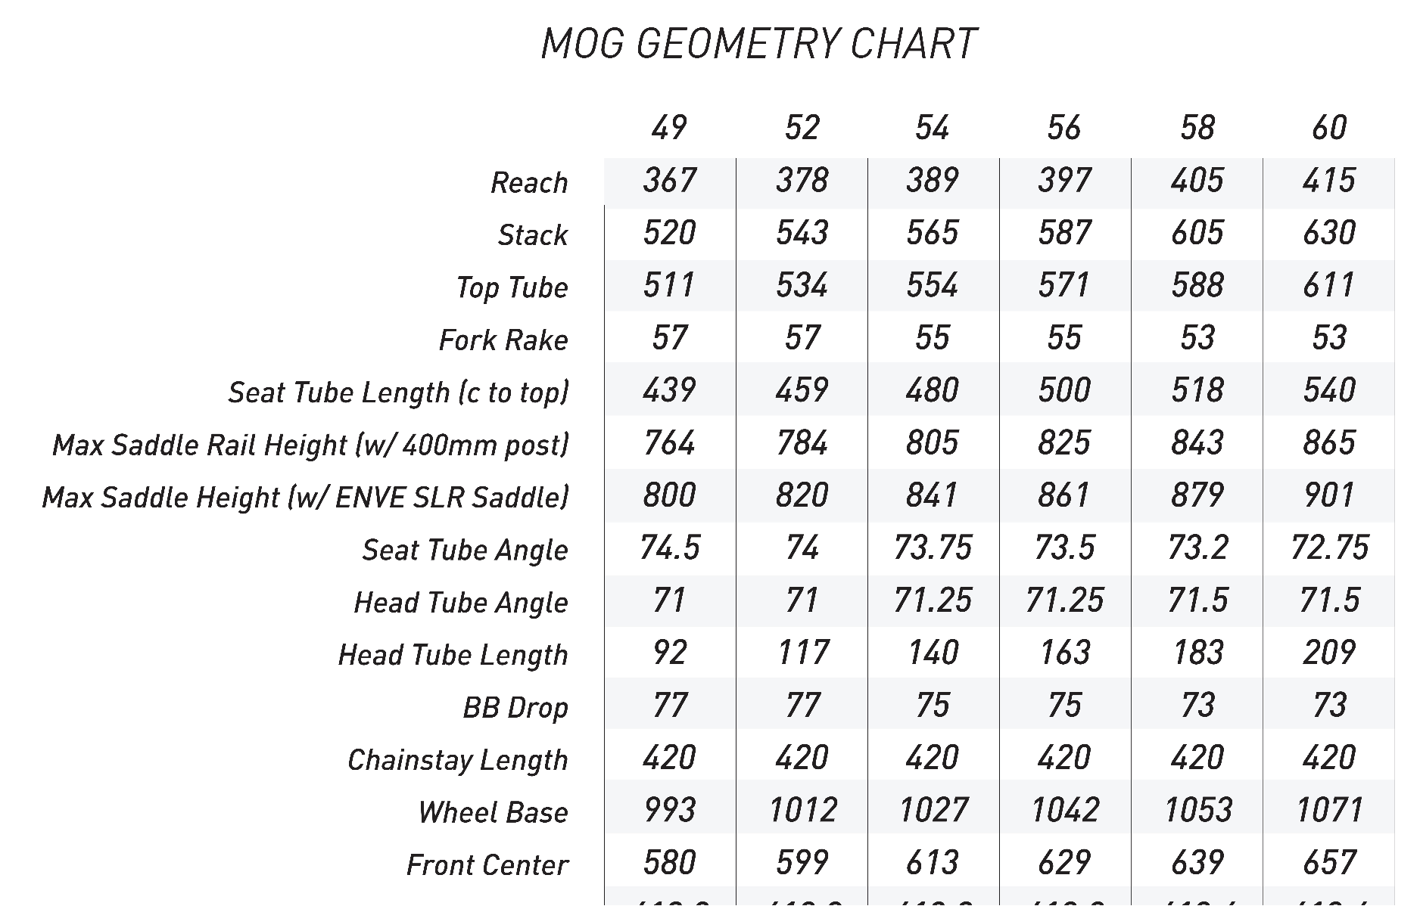
frame_size | frame size | 49 | 52 | 54 | 56 | 58 | 60
reach | Reach | 367 | 378 | 389 | 397 | 405 | 415
stack | Stack | 520 | 543 | 565 | 587 | 605 | 630 | frame size | 49 | 52 | 54 | 56 | 58 | 60
top_tube_effective_length | Top Tube | 511 | 534 | 554 | 571 | 588 | 611 | Reach | 367 | 378 | 389 | 397 | 405 | 415
fork_offset_rake | Fork Rake | 57 | 57 | 55 | 55 | 53 | 53 | Stack | 520 | 543 | 565 | 587 | 605 | 630
seat_tube_length | Seat Tube L C-top | 439 | 459 | 480 | 500 | 518 | 540 | Top Tube | 511 | 534 | 554 | 571 | 588 | 611
max_saddle_rail_ht | max saddle rail height | 764 | 784 | 805 | 825 | 843 | 865 | Fork Rake | 57 | 57 | 55 | 55 | 53 | 53
max_saddle_height | max saddle height | 800 | 820 | 841 | 861 | 879 | 901 | Seat Tube L C-top | 439 | 459 | 480 | 500 | 518 | 540
seat_tube_angle | Seat Tube Angle | 74.5 | 74 | 73.75 | 73.5 | 73.2 | 72.75 | max saddle rail height | 764 | 784 | 805 | 825 | 843 | 865
head_tube_angle | Head Tube Angle | 71 | 71 | 71.25 | 71.25 | 71.5 | 71.5 | max saddle height | 800 | 820 | 841 | 861 | 879 | 901
head_tube_length | Head Tube Length | 92 | 117 | 140 | 163 | 183 | 209 | Seat Tube Angle | 74.5 | 74 | 73.75 | 73.5 | 73.2 | 72.75
bottom_bracket_drop | BB Drop | 77 | 77 | 75 | 75 | 73 | 73 | Head Tube Angle | 71 | 71 | 71.25 | 71.25 | 71.5 | 71.5
chainstay_length | Chainstay Length | 420 | 420 | 420 | 420 | 420 | 420 | Head Tube Length | 92 | 117 | 140 | 163 | 183 | 209
wheelbase | Wheel Base | 993 | 1012 | 1027 | 1042 | 1053 | 1071 | BB Drop | 77 | 77 | 75 | 75 | 73 | 73
front_center | Front Center | 580 | 599 | 613 | 629 | 639 | 657 | Chainstay Length | 420 | 420 | 420 | 420 | 420 | 420
rear_center | Rear Center | 412.9 | 412.9 | 413.2 | 413.2 | 413.6 | 413.6 | Wheel Base | 993 | 1012 | 1027 | 1042 | 1053 | 1071
standover | Standover (40 mm tire) | 702 | 722 | 744 | 764 | 784 | 807 | Front Center | 580 | 599 | 613 | 629 | 639 | 657
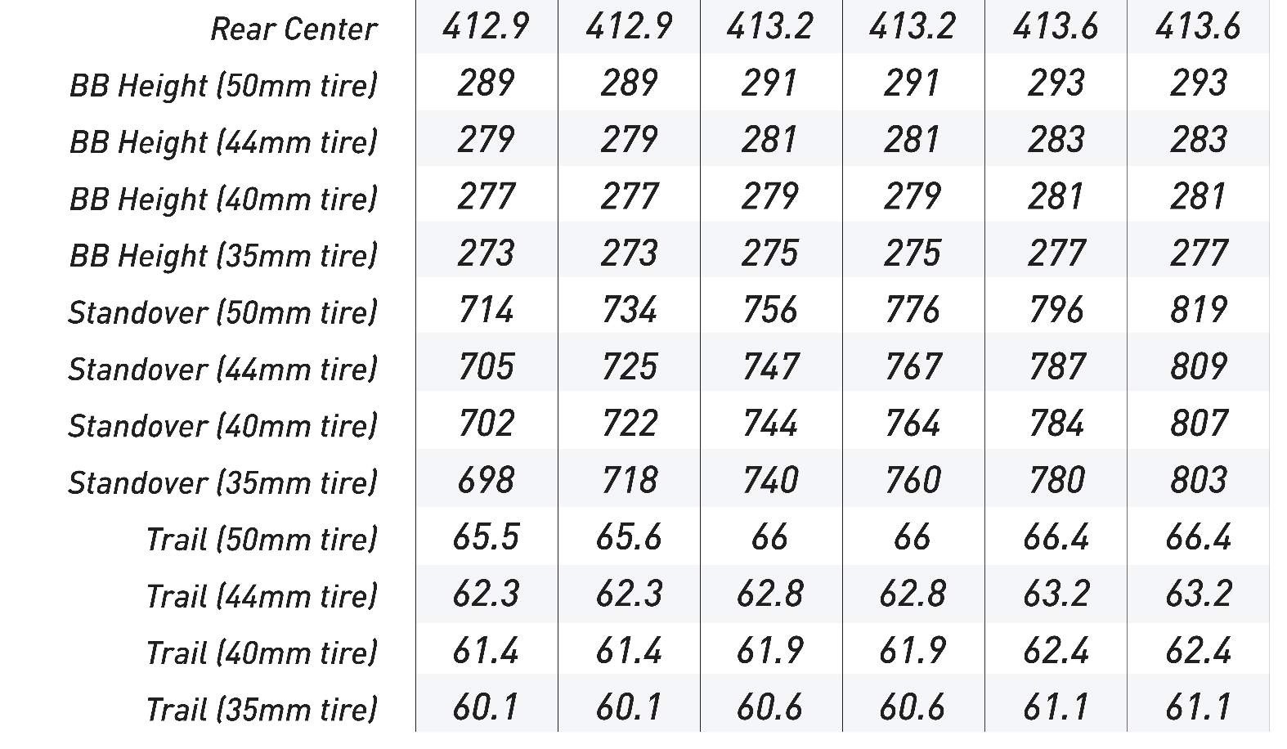
trail | Trail (40 mm tire) | 61.4 | 61.4 | 61.9 | 61.9 | 62.4 | 62.4 | Rear Center | 412.9 | 412.9 | 413.2 | 413.2 | 413.6 | 413.6
axle_crown |  | 395 | 395 | 395 | 395 | 395 | 395
crank_length | crank_length | 165 | 170 | 172.5 | 172.5 | 172.5 | 175
handlebar_width | handlebar_width
stem_length | stem_length | 80 | 80 | 90 | 90 | 90 | 100
wheel_size | wheel_size | 700 | 700 | 700 | 700 | 700 | 700
tire_width_spec | tire_width_spec | 40 | 40 | 40 | 40 | 40 | 40
tire_width_max | tire_width_max | 50 | 50 | 50 | 50 | 50 | 50
rider_min | rider_min |  |  |  |  |  |  | Standover (40 mm tire) | 702 | 722 | 744 | 764 | 784 | 807
rider_max | rider_max
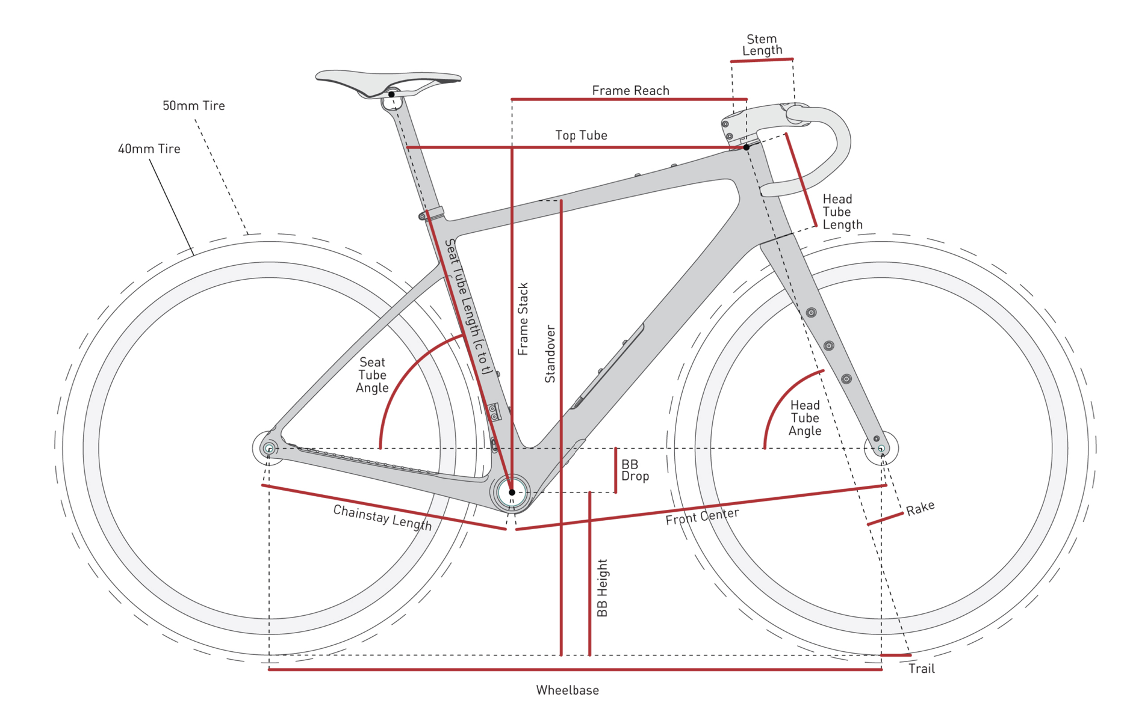

 |  |  |  |  |  |  |  | Trail (40 mm tire) | 61.4 | 61.4 | 61.9 | 61.9 | 62.4 | 62.4

Fezzari Shafer 2022
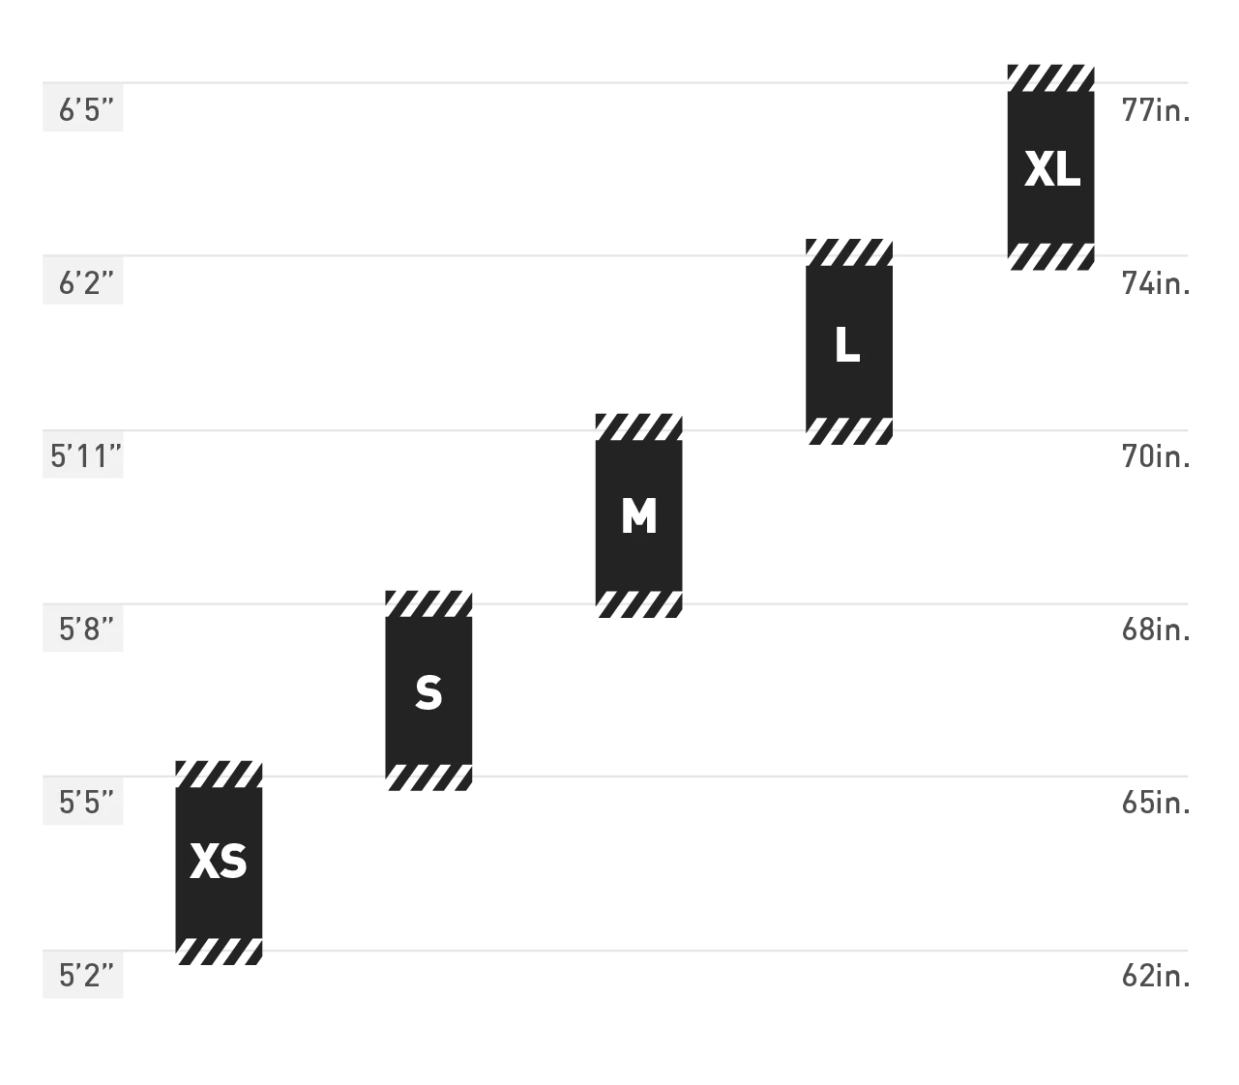
frame_size | size | XS | S | M | L | XL
top_tube_effective_length | ATop Tube | 515.4 | 532.4 | 559.3 | 579 | 594.4
seat_tube_length | BSeat Tube | 410 | 440 | 470 | 492 | 520
chainstay_length_h | CChainstay | 430 | 430 | 430 | 430 | 430
head_tube_angle | DHead Angle | 68.9 | 68.9 | 68.9 | 68.9 | 68.9
seat_tube_angle | ESeat Angle (Effective)* | 75.5 | 75.2 | 74 | 73.5 | 73.1
head_tube_length | FHead Tube | 93.7 | 125.8 | 158 | 178 | 206.1
bottom_bracket_height | GBottom Bracket Height | 284 | 284 | 284 | 284 | 284
bottom_bracket_drop | HBottom Bracket Drop | 77 | 77 | 77 | 77 | 77
wheelbase | IWheelbase | 1032 | 1047 | 1064 | 1079 | 1090
fork_offset_rake | JFork Offset | 50 | 50 | 50 | 50 | 50
axle_crown | KFork Axle to Crown | 400 | 400 | 400 | 400 | 400
trail | LTrail | 80 | 80 | 80 | 80 | 80
standover | MStandover Height | 699 | 730 | 760 | 788 | 808
stack | NStack | 526 | 555.7 | 585.4 | 604.7 | 631
reach | OReach | 379 | 385.7 | 391.5 | 400 | 401.5
chainstay_length | chainstay length computed | 436.83978757 | 436.83978757 | 436.83978757 | 436.83978757 | 436.83978757
crank_length | crank_length
handlebar_width | handlebar_width
stem_length | stem_length
wheel_size | wheel_size | 700 | 700 | 700 | 700 | 700
tire_width_spec | tire_width_spec | 40 | 40 | 40 | 40 | 40
tire_width_max | tire_width_max | 50 | 50 | 50 | 50 | 50
rider_min | rider_min | 157.48 | 165.1 | 172.72 | 180.34 | 187.96
rider_max | rider_max | 166.37 | 173.99 | 181.61 | 189.23 | 196.85

 |  | xs | s | m | l | xl
 |  | 62 | 65 | 68 | 71 | 74
 |  | 65.5 | 68.5 | 71.5 | 74.5 | 77.5

Focus Atlas 8.9 2023
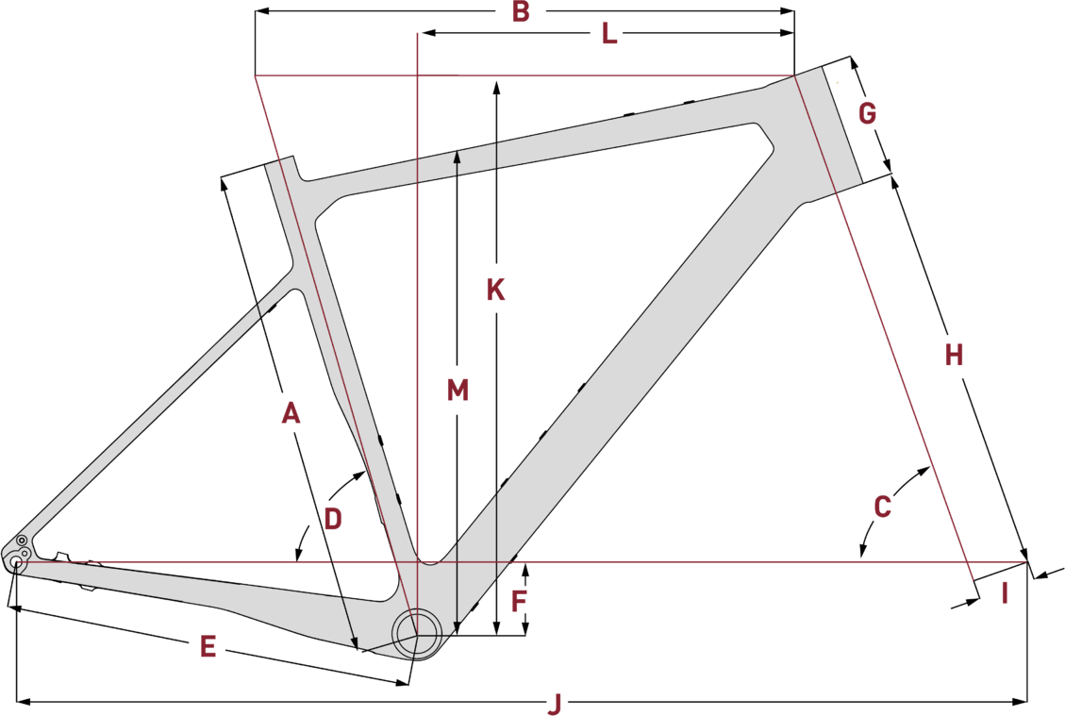
frame_size | Frame size | XS | S | M | L | XL
size_a | SIZE | 48 | 51 | 54 | 57 | 60
size_b | SIZE (MM) | 445 | 485 | 515 | 545 | 585
handlebar_width | HANDLEBAR WIDTH | 420 | 420 | 440 | 440 | 440
stem_length | STEM LENGTH (MM) | 80 | 90 | 90 | 90 | 100
crank_length | CRANKARM LENGTH | 170 | 170 | 172.5 | 172.5 | 175
seat_post | SEAT POST LENGTH (MM) | 350 | 350 | 350 | 350 | 350
seat_tube_length | SEAT TUBE LENGTH (MM) | 445 | 485 | 515 | 545 | 585 | A
top_tube_effective_length | EFFECTIVE TOP TUBE (MM) | 532 | 549 | 567 | 591 | 606 | B
head_tube_angle | HEAD TUBE ANGLE (°) | 70.5 | 70.5 | 70.5 | 70.5 | 70.5 | C
seat_tube_angle | EFFECTIVE SEAT TUBE ANGLE (°) | 74 | 73.5 | 73.5 | 73.5 | 73.5 | D
chainstay_length | CHAINSTAY LENGTH (MM) | 425 | 425 | 425 | 425 | 425 | E
bottom_bracket_drop | BOTTOM BRACKET DROP (MM) | 75 | 75 | 75 | 75 | 75 | F
head_tube_length | HEAD TUBE LENGTH (MM) | 115 | 120 | 130 | 150 | 180 | G
axle_crown | FORK CONSTRUCTION HEIGHT (MM) | 425 | 425 | 425 | 425 | 425 | H
fork_offset_rake | PRE-RAKED FORK (MM) | 50 | 50 | 50 | 50 | 50 | I
wheelbase | WHEELBASE LENGTH (MM) | 1016 | 1028 | 1046 | 1068 | 1088 | J
stack | STACK (MM) | 569 | 574 | 583 | 611 | 630 | K
reach | REACH (MM) | 370 | 380 | 395 | 410 | 420 | L
standover | standover (mm)
wheel_size | wheel size | 700 | 700 | 700 | 700 | 700
tire_width_spec | tire width | 45 | 45 | 45 | 45 | 45
tire_width_max | tire width max | 47 | 47 | 47 | 47 | 47
rider_min | rider h min | 159 | 166 | 173 | 180 | 187
rider_max | rider h max | 166 | 173 | 180 | 187 | 194

Hudski Doggler Gravel 2022
frame_size | frame_size | size | S | M | L | XL
stack | reach | AReach | 420 | 440 | 465 | 490
reach | stack | BStack | 555 | 583 | 606 | 633
seat_tube_length | head_tube_length | CHead Tube Length | 115 | 145 | 175 | 205
top_tube_effective_length | head_tube_angle | DHead Tube Angle | 67.5 | 67.5 | 67.5 | 67.5
head_tube_angle | seat_tube_length | ESeat Tube Length | 390 | 430 | 470 | 510
seat_tube_angle | trail | FTrail | 104 | 104 | 104 | 104
head_tube_length | front_center | GFront Center | 668 | 699 | 735 | 771
bottom_bracket_drop | bottom_bracket_drop | HBB Drop | 81 | 81 | 76 | 76
chainstay_length | wheelbase | IWheelbase | 1105 | 1137 | 1175 | 1210
wheelbase | chainstay_length | JChain stay Length | 450 | 450 | 450 | 450
fork_offset_rake | top_tube_effective_length | KTop Tube Length | 561 | 587 | 617 | 649
standover | seat_tube_angle | LSeat Tube Angle | 74 | 74 | 74 | 74
crank_length | standover | MStand over Height | 680 | 720 | 760 | 795
handlebar_width | saddle_height | NMinimum Saddle Height | 585 | 689 | 720 | 780
stem_length | stem_length | Stem Length | 40 | 50 | 50 | 50
wheel_size | crank_length | Crank Length | 165 | 165 | 170 | 170
tire_width_spec | obb_height | OBB Height
tire_width_max | handlebar_width | Bar Width (can be cut) | 780 | 780 | 780 | 780
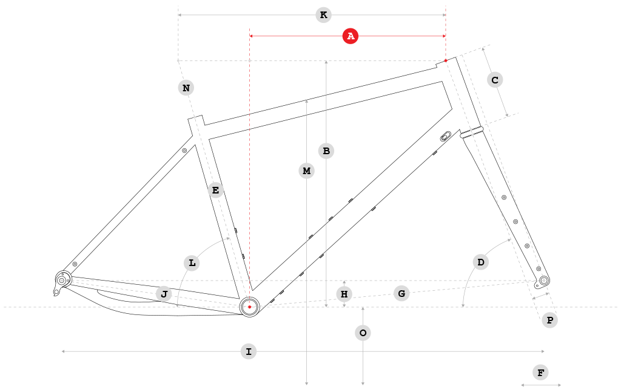
 | fork_offset_rake | PFork offset | 44 | 44 | 44 | 44
 | wheel_size | wheel_size | 700 | 700 | 700 | 700
 | tire_width_spec | tire_width_spec | 50 | 50 | 50 | 50
 | tire_width_max | tire_width_max | 50.8 | 50.8 | 50.8 | 50.8

 |  | S | M | L | XL
 |  | AReach | 420mm | 440mm | 465mm | 490mm
 |  | BStack | 555mm | 583mm | 606mm | 633mm
 |  | CHead Tube Length | 115mm | 145mm | 175mm | 205mm
 |  | DHead Tube Angle | 67.5° | 67.5° | 67.5° | 67.5°
 |  | ESeat Tube Length | 390mm | 430mm | 470mm | 510mm
 |  | FTrail | 104mm | 104mm | 104mm | 104mm
 |  | GFront Center | 668mm | 699mm | 735mm | 771mm
 |  | HBB Drop | 81mm | 81mm | 76mm | 76mm
 |  | IWheelbase | 1105mm | 1137mm | 1175mm | 1210mm
 |  | JChain stay Length | 450mm | 450mm | 450mm | 450mm
 |  | KTop Tube Length | 561mm | 587mm | 617mm | 649mm
 |  | LSeat Tube Angle | 74° | 74° | 74° | 74°
 |  | MStand over Height | 680mm | 720mm | 760mm | 795mm
 |  | NMinimum Saddle Height | 585mm | 689mm | 720mm | 780mm
 |  | Stem Length | 40mm | 50mm | 50mm | 50mm
 |  | Crank Length | 165mm | 165mm | 170mm | 170mm
 |  | OBB Height | tbd | tbd | tbd | tbd
 |  | Bar Width (can be cut) | 780mm | 780mm | 780mm | 780mm
 |  | PFork offset | 44mm | 44mm | 44mm | 44mm

Ibis Hakka MX 2023
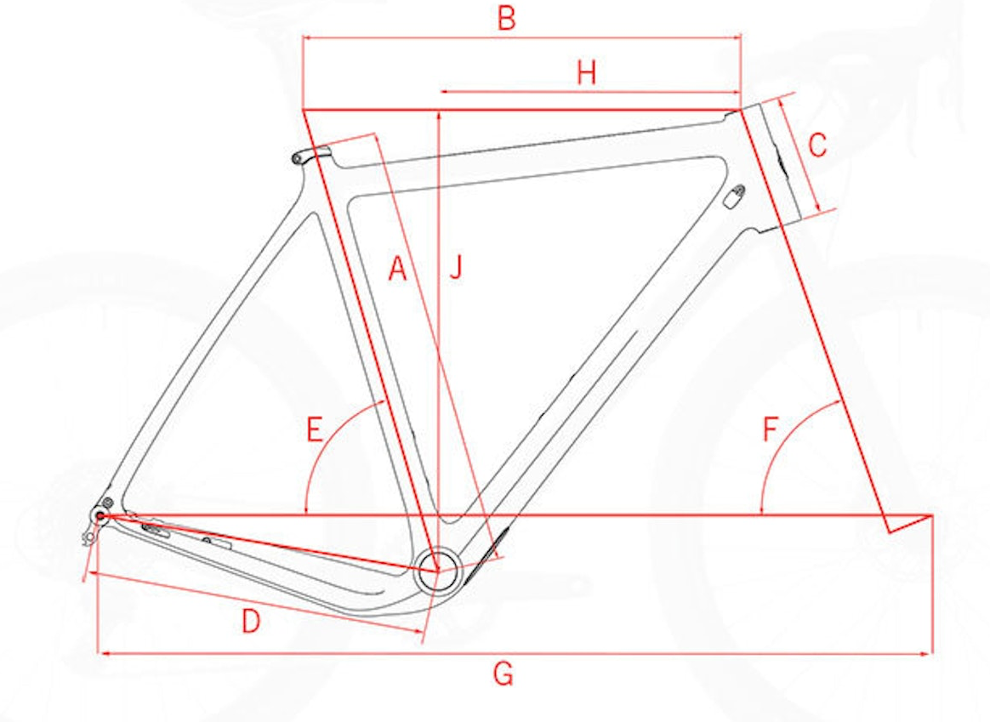
frame_size | Size | 49 | 53 | 55 | 58 | 61 | Chart
seat_tube_length | Seat Tube Length | 455 | 525 | 550 | 575 | 605 | A
top_tube_effective_length | Tp Tube Length | 517 | 539 | 554 | 568 | 589 | B
head_tube_length | Head Tube Length | 110 | 135 | 155 | 173 | 195 | C
chainstay_length | Chainstay Length | 430 | 430 | 430 | 430 | 430 | D
seat_tube_angle | Seat Tube Angle | 74.5 | 74 | 73.5 | 73.5 | 73.5 | E
head_tube_angle | Head Tube Angle | 70.5 | 72 | 72 | 72 | 72 | F
wheelbase | Wheelbase | 1008 | 1011 | 1021 | 1037 | 1057 | G
stack | Stack | 532 | 561 | 580 | 598 | 616
reach | Reach | 370 | 377 | 382 | 392 | 406
bottom_bracket_drop | Bttm Bracket Drp | 70 | 70 | 70 | 70 | 70
standover | Standver Height | 729 | 785 | 802 | 827 | 853
fork_offset_rake | fork offset | 47 |  |  |  |  | ENVE G Series Carbon Fiber Gravel Fork
axle_crown | fork length | 395
crank_length
handlebar_width
stem_length
wheel_size |  | 700 | 700 | 700 | 700 | 700
tire_width_spec |  | 40 | 40 | 40 | 40 | 40
tire_width_max |  | 40 | 40 | 40 | 40 | 40
rider_min |  | 150 | 160 | 170 | 180 | 185
rider_max |  | 163 | 173 | 183 | 188 | 198

 |  | 49
 |  | 150–163CM
 |  | 53
 |  | 160–173CM
 |  | 55
 |  | 170–183CM
 |  | 58
 |  | 180–188CM
 |  | 61
 |  | 185–198CM

Knolly Cache Steel 2022
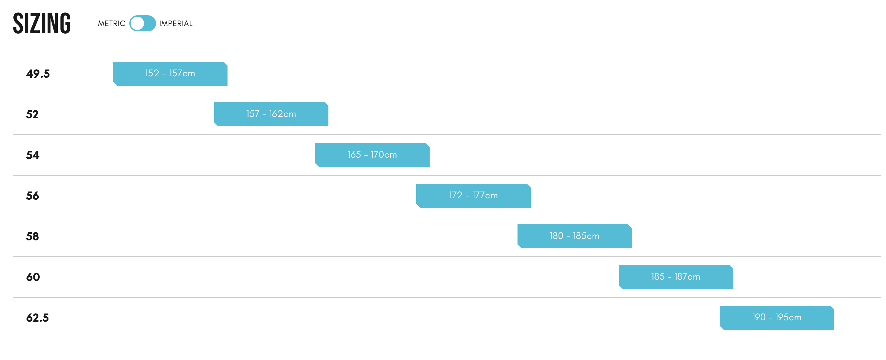
frame_size | Frame Size | 49.5CM | 52CM | 54CM | 56CM | 58CM | 60CM | 62.5CM
top_tube_effective_length | EFFECTIVE TOP TUBE LENGTH | 545.5 | 557.5 | 569.5 | 581.5 | 593.5 | 606 | 622
head_tube_angle | HEAD ANGLE | 70.5 | 70.5 | 71 | 71 | 71 | 71 | 71
head_tube_length | HEAD TUBE LENGTH | 128 | 143 | 157 | 172 | 187 | 202 | 217
standover | STAND OVER HEIGHT | 646 | 665.5 | 685.5 | 703 | 717 | 767.5 | 775
seat_tube_length | SEAT TUBE LENGTH | 410 | 438 | 464 | 492 | 520 | 548 | 576
seat_tube_angle | SEAT TUBE ANGLE | 74 | 74 | 74 | 74 | 74 | 74 | 74
wheelbase | WHEELBASE | 1022.5 | 1035.5 | 1043.5 | 1056.5 | 1069.5 | 1082.5 | 1100
stack | STACK | 558.5 | 572.7 | 588 | 602 | 616.5 | 630.5 | 644.5
reach | REACH | 385 | 393 | 401 | 409 | 417 | 425 | 438
bottom_bracket_drop | bottom_bracket_drop | 75 | 75 | 75 | 75 | 75 | 75 | 75
chainstay_length | chainstay_length | 422 | 422 | 422 | 422 | 422 | 422 | 422 | no geom pic
fork_offset_rake | fork_offset_rake | 48 | 48 | 48 | 48 | 48 | 48 | 48
axle_crown | axle_crown | 398 | 398 | 398 | 398 | 398 | 398 | 398
crank_length | crank_length | 172.5 | 172.5 | 172.5 | 172.5 | 172.5 | 172.5 | 172.5
handlebar_width | handlebar_width | 420 | 420 | 440 | 440 | 440 | 460 | 460 | guess
stem_length | stem_length | 60 | 60 | 60 | 60 | 60 | 60 | 60 | buyer specified
wheel_size | wheel_size | 700 | 700 | 700 | 700 | 700 | 700 | 700
tire_width_spec | tire_width_spec | 40 | 40 | 40 | 40 | 40 | 40 | 40
tire_width_max | tire_width_max | 45 | 45 | 45 | 45 | 45 | 45 | 45
rider_min | rider_min | 152 | 157 | 163.5 | 171 | 178.5 | 185 | 188.5
rider_max | rider_max | 157 | 163.5 | 171 | 178.5 | 185 | 188.5 | 195
 |  | 152 | 157 | 165 | 172 | 180 | 185 | 190
 |  | 157 | 162 | 170 | 177 | 185 | 187 | 195

Liz Devote Advance 2023
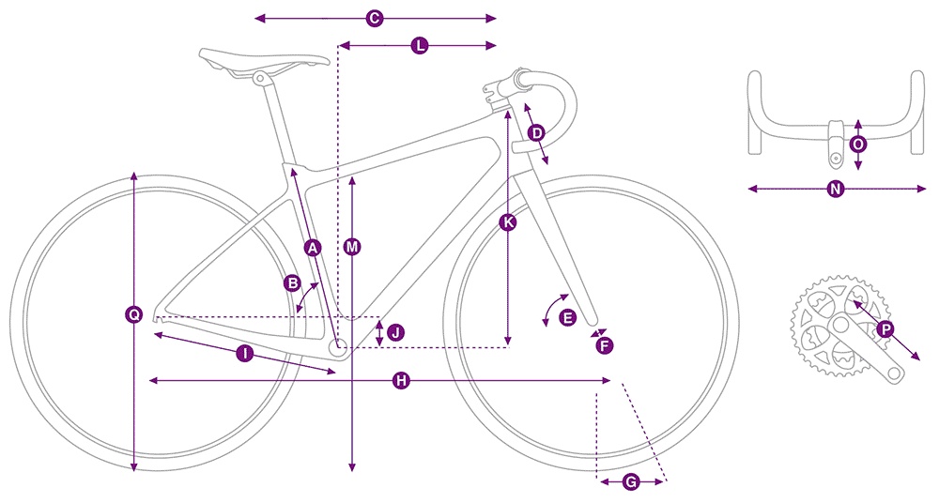
frame_size | Size | XS | S | M | L
seat_tube_length | SEAT TUBE LENGTH (mm) | 390 | 420 | 465 | 500 | A
seat_tube_angle | SEAT TUBE ANGLE | 75 | 75 | 74.5 | 74.5 | B
top_tube_effective_length | TOP TUBE LENGTH (mm) | 515 | 525 | 535 | 550 | C
head_tube_length | HEAD TUBE LENGTH (mm) | 95 | 125 | 155 | 180 | D
head_tube_angle | HEAD TUBE ANGLE | 70.5 | 70.5 | 71 | 71 | E
fork_offset_rake | FORK RAKE (mm) | 50 | 50 | 50 | 50 | F
trail_spec | TRAIL (mm) | 75.9 | 75.9 | 72.5 | 72.5 | G
wheelbase | WHEELBASE (mm) | 1013 | 1020 | 1022 | 1039 | H
chainstay_length | CHAIN STAY LENGTH (mm) | 430 | 430 | 430 | 430 | I
bottom_bracket_drop | BOTTOM BRACKET DROP (mm) | 80 | 80 | 80 | 80 | J
stack | STACK (mm) | 530 | 558 | 588 | 612 | K
reach | REACH (mm) | 378 | 376 | 372 | 380 | L
reach_handlebar | REACHTOHANDLEBAR (mm) | 429 | 437 | 443 | 452 | L
standover | STAND OVER HEIGHT (mm) | 683 | 711 | 749 | 779 | M
handlebar_width | HANDLEBAR WIDTH (mm) | 400 | 400 | 420 | 420 | N
stem_length | STEM LENGTH (mm) | 70 | 80 | 90 | 90 | O
crank_length | CRANK LENGTH (mm) | 170 | 170 | 172.5 | 172.5 | P
wheel_size | WHEEL SIZE | 700 | 700 | 700 | 700 | Q
axle_crown
tire_width_spec |  | 40 | 40 | 40 | 40
tire_width_max |  | 45 | 45 | 45 | 45
rider_min |  | 149.9 | 160.0 | 167.6 | 172.7
rider_max |  | 160.0 | 167.6 | 172.7 | 180.3
 |  | 59 | 62 | 65 | 67
 |  | 64 | 67 | 69 | 71
 |  | XS | S | M | L
 |  | 4’11” | 5’2” | 5’5” | 5’7”
 |  | 5’4” | 5’7” | 5’9” | 5’11”

 |  | XS | S | M | L
A | SEAT TUBE LENGTH (mm) | 390 | 420 | 465 | 500
B | SEAT TUBE ANGLE | 75.0° | 75.0° | 74.5° | 74.5°
C | TOP TUBE LENGTH (mm) | 515 | 525 | 535 | 550
D | HEAD TUBE LENGTH (mm) | 95 | 125 | 155 | 180
E | HEAD TUBE ANGLE | 70.5° | 70.5° | 71.0° | 71.0°
F | FORK RAKE (mm) | 50 | 50 | 50 | 50
G | TRAIL (mm) | 75.9 | 75.9 | 72.5 | 72.5
H | WHEELBASE (mm) | 1013 | 1020 | 1022 | 1039
I | CHAIN STAY LENGTH (mm) | 430 | 430 | 430 | 430
J | BOTTOM BRACKET DROP (mm) | 80 | 80 | 80 | 80
K | STACK (mm) | 530 | 558 | 588 | 612
L | REACH (mm) | 378 | 376 | 372 | 380
L | REACHTOHANDLEBAR (mm) | 429 | 437 | 443 | 452
M | STAND OVER HEIGHT (mm) | 683 | 711 | 749 | 779
N | HANDLEBAR WIDTH (mm) | 400 | 400 | 420 | 420
O | STEM LENGTH (mm) | 70 | 80 | 90 | 90
P | CRANK LENGTH (mm) | 170 | 170 | 172.5 | 172.5

Mason InSearchOf 2022
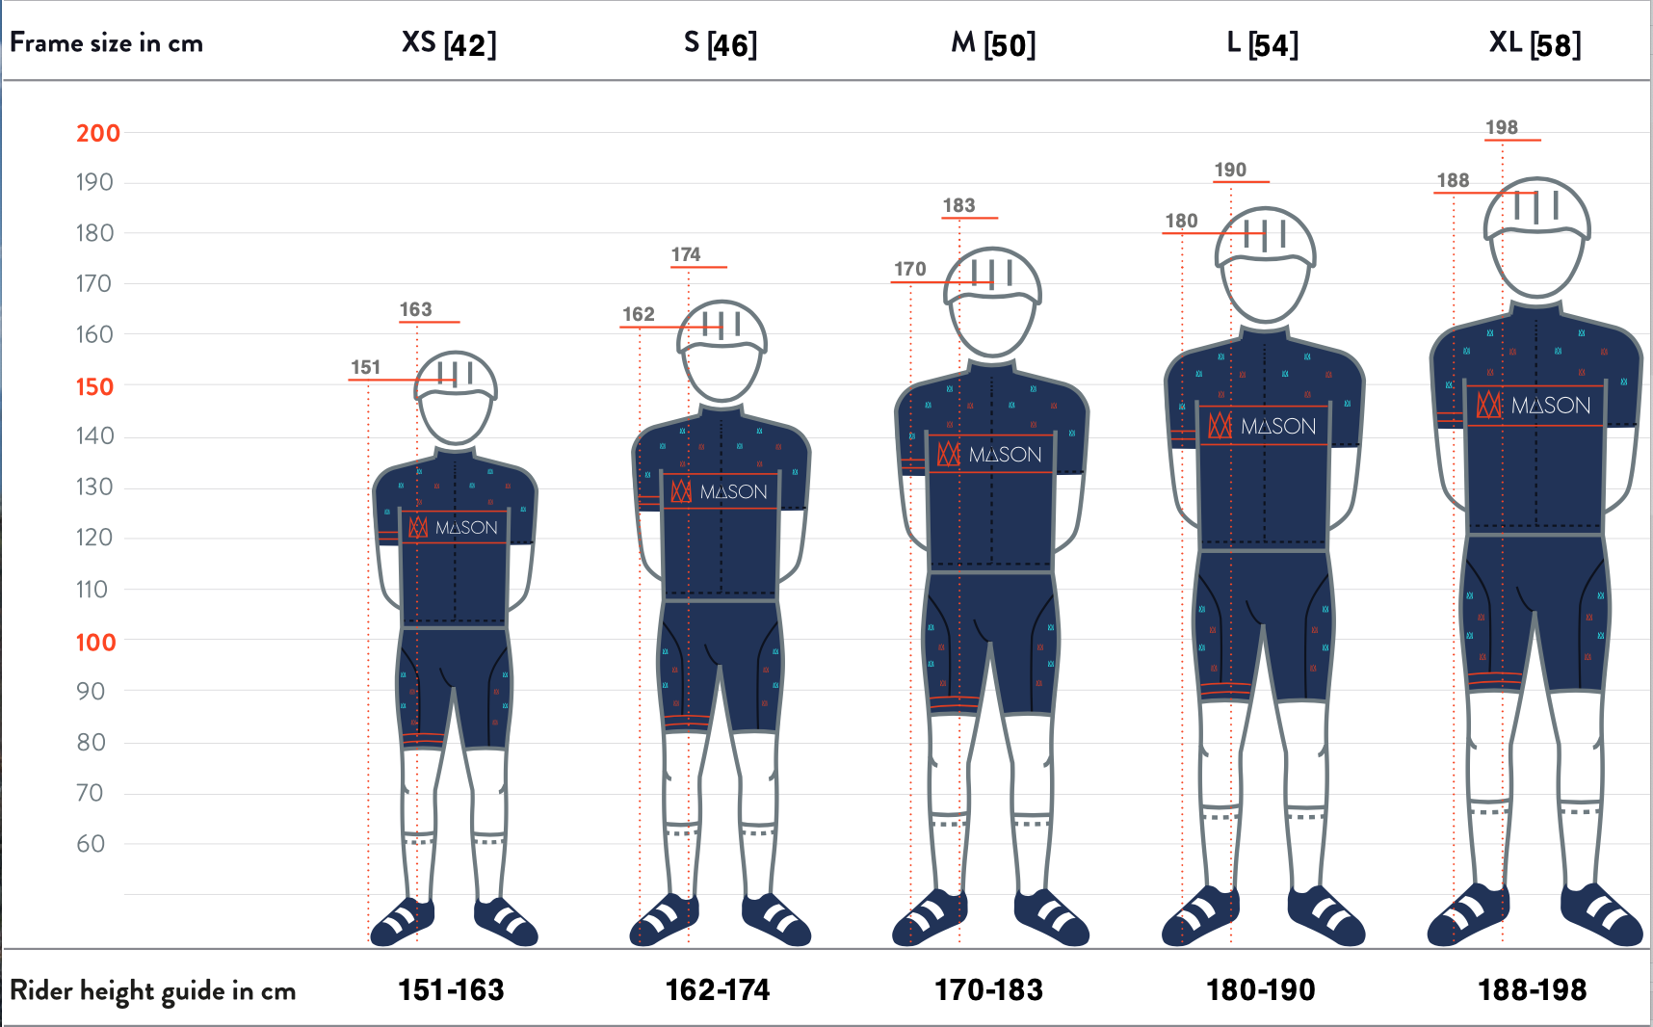
frame_size | frame_size | Size | 42CM | 46CM | 50CM | 54CM | 58CM
stack | seat_tube_length | SEAT TUBE C/T | 420 | 460 | 500 | 540 | 580
reach | seat_tube_cc | SEAT TUBE C/C | 380 | 415 | 445 | 490 | 530
seat_tube_length | bottom_bracket_drop | BB DROP | 76 | 75 | 75 | 75 | 73
top_tube_effective_length | chainstay_length | REAR CENTRE | 445 | 445 | 445 | 445 | 445
head_tube_angle | top_tube_effective_length | TT EFFECTIVE | 542.7 | 554.1 | 560.5 | 567.6 | 587
seat_tube_angle | tt_actual | TT ACTUAL | 527.3 | 534.7 | 539 | 545.7 | 565.2
head_tube_length | stack | STACK | 606 | 614.4 | 623.8 | 633.1 | 654.5
bottom_bracket_drop | reach | REACH | 366.6 | 375.7 | 379.4 | 384 | 397.4
chainstay_length | standover_27.5 | S/O - 27.5 X 2.8 | 74 | 76.5 | 79 | 82.5 | 86.5
wheelbase | standover | S/O - 29 X 2.4 | 76 | 78.5 | 81 | 84.5 | 88.5
fork_offset_rake | fork_offset_rake | OFFSET | 50 | 50 | 50 | 50 | 50
standover | trail | TRAIL | 89.6 | 89.6 | 89.6 | 89.6 | 82.6
crank_length | axle_crown | FORK CROWN HEIGHT | 483 | 483 | 483 | 483 | 483
handlebar_width | head_tube_angle | HEAD ANGLE | 69 | 69 | 69 | 69 | 70
stem_length | head_tube_length | HEAD TUBE LENGTH | 100 | 110 | 120 | 130 | 150
wheel_size | seat_tube_angle | SEAT TUBE ANGLE | 74 | 74 | 74 | 74 | 74
tire_width_spec | wheelbase | WHEELBASE | 1062.1 | 1075 | 1082.3 | 1090.2 | 1101.3
tire_width_max | handlebar_width | HANDLEBAR (OUTSIDE DIMENSION) | 420 | 440 | 460 | 460 | 480
 | front_center | FRONT CENTRE | 628.3 | 640.7 | 648 | 656 | 666.3
 | axle_spacing | AXLE SPACING | 148 | 148 | 148 | 148 | 148
 | frame_weight | FRAME WEIGHT | 2100 | 2180 | 2260 | 2400 | 2480
 | fork_weight | FORK WEIGHT | 700 | 700 | 700 | 700 | 700
 | stem_length | STEM | 70 | 70 | 80 | 90 | 100
 | crank_length | CRANKARM | 170 | 170 | 170 | 170 | 175
 | wheel_size | wheel_size | 29 | 29 | 29 | 29 | 29
 | tire_width_spec | tire_width_spec | 60.96 | 60.96 | 60.96 | 60.96 | 60.96
 | tire_width_max | tire_width_max | 63.5 | 63.5 | 63.5 | 63.5 | 63.5
 | rider_min | rider_min | 151 | 162.5 | 172 | 181.5 | 189
 | rider_max | rider_max | 162.5 | 172 | 181.5 | 189 | 198
 |  | rider_min | 151 | 162 | 170 | 180 | 188
 |  | rider_max | 163 | 174 | 183 | 190 | 198
 |  | FRAME WEIGHT | 2100g | 2180g | 2260g | 2400g | 2480g
 |  | FORK WEIGHT | 700g | 700g | 700g | 700g | 700g

Nordest Kutxo 2022
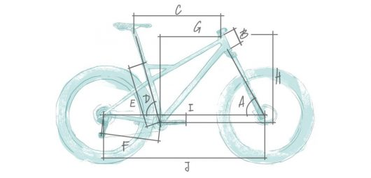
frame_size |  |  | M | ML | L
stack | head_tube_angle | Ángulo de dirección | 68 | 68 | 68 | A
reach | head_tube_length | Tubo de dirección | 115 | 130 | 145 | B
seat_tube_length | top_tube_effective_length | Tubo horizontal (virtual) | 569 | 586 | 609 | C
top_tube_effective_length | seat_tube_angle | Ángulo de sillín | 74.5 | 74.5 | 74.5 | D
head_tube_angle | seat_tube_length | Tubo de sillín | 460 | 480 | 510 | E
seat_tube_angle | chainstay_length | Vainas | 430 | 430 | 430 | F
head_tube_length | reach | Reach | 404 | 418 | 437 | G
bottom_bracket_drop | stack | Stack | 599 | 613 | 627 | H
chainstay_length | bottom_bracket_drop | Caída de pedalier | 60 | 60 | 60 | I
wheelbase | wheelbase | Longitud base | 1103 | 1122 | 1147 | J
fork_offset_rake | axle_crown | Longitud de horquilla | 483 | 483 | 483
standover |  | Potencia | 70 | 70 | 70
crank_length | fork_offset_rake | fork_offset_rake | 51 | 51 | 51
handlebar_width | standover | standover
stem_length | crank_length | crank_length
wheel_size | handlebar_width | handlebar_width
tire_width_spec | stem_length | stem_length
tire_width_max | wheel_size | wheel_size | 29 | 29 | 29
 | tire_width_spec | tire_width_spec | 57.15 | 57.15 | 57.15 | *gave it a typical size
 | tire_width_max | tire_width_max | 60.96 | 60.96 | 60.96

Otso Fenrir 2022
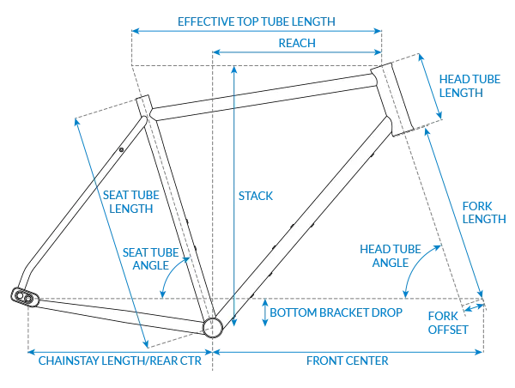
frame_size | Size | XS | S | M | L | XL
top_tube_effective_length | Effective top tube | 547 | 565 | 583 | 600 | 618
head_tube_angle | Nominal head tube angle | 68 | 68 | 68 | 68 | 68
delta_head_angle | Tuning Chip induced head/seat tube angle change | 0.2 | 0.2 | 0.2 | 0.2 | 0.2
head_tube_length | Head tube length | 90 | 100 | 120 | 140 | 160
seat_tube_angle | Nominal seat tube angle | 75 | 75 | 75 | 75 | 75
seat_tube_length | Seat tube length | 360 | 400 | 450 | 490 | 530
bottom_bracket_drop | Bottom bracket drop | 68 | 68 | 68 | 68 | 68
chainstay_length_h | Chainstay length | 430 | 430 | 430 | 430 | 430
wheelbase | Wheelbase | 1090 | 1110 | 1130 | 1150 | 1170
trail | Trail | 88 | 88 | 88 | 88 | 88
fork_offset_rake | Fork offset | 51 | 51 | 51 | 51 | 51
axle_crown | Rigid fork axle to crown length | 495 | 495 | 495 | 495 | 495
stack | Stack | 595 | 605 | 623 | 642 | 660
reach | Reach | 387 | 403 | 416 | 428 | 441
standover | Standover | 754 | 777 | 810 | 838 | 866
chainstay_length | computed chainstay | 435.3435425 | 435.3435425 | 435.3435425 | 435.3435425 | 435.3435425
crank_length | crank_length
handlebar_width | handlebar_width
stem_length | stem_length
wheel_size | wheel_size | 29 | 29 | 29 | 29 | 29
tire_width_spec | tire_width_spec | 60.96 | 60.96 | 60.96 | 60.96 | 60.96
tire_width_max | tire_width_max | 66.04 | 66.04 | 66.04 | 66.04 | 66.04
rider_min |  | 147.32 | 160.02 | 168.91 | 179.07 | 189.23
rider_max |  | 160.02 | 168.91 | 179.07 | 189.23 | 198.12
rider_min |  | 147.32 | 157.48 | 167.64 | 177.8 | 187.96
rider_max |  | 162.56 | 170.18 | 180.34 | 190.5 | 198.12

 |  | XS | S | M | L | XL
 | Recommended rider height | 4'10"-5'4" | 5'2"-5'7" | 5'6"-5'11" | 5'10"-6'3" | 6'2"-6'6"
 | Effective top tube | 547mm | 565mm | 583mm | 600mm | 618m
 | Nominal head tube angle | 68° | 68° | 68° | 68° | 68°
 | Tuning Chip induced head/seat tube angle change | ±0.2° | ±0.2° | ±0.2° | ±0.2° | ±0.2°
 | Head tube length | 90mm | 100mm | 120m | 140mm | 160mm
 | Nominal seat tube angle | 75° | 75° | 75° | 75° | 75°
 | Seat tube length | 360mm | 400mm | 450mm | 490mm | 530mm
 | Bottom bracket drop | 68-72mm | 68-72mm | 68-72mm | 68-72mm | 68-72mm
 | Chainstay length | 430-450mm | 430-450mm | 430-450mm | 430-450mm | 430-450mm
 | Wheelbase | 1090-1110mm | 1110-1120mm | 1130-1150mm | 1150-1170mm | 1170-1190mm
 | Trail | 88mm | 88mm | 88mm | 88mm | 88mm
 | Fork offset | 51mm | 51mm | 51mm | 51mm | 51mm
 | Rigid fork axle to crown length | 495mm | 495mm | 495mm | 495mm | 495mm
 | Stack | 595mm | 605mm | 623mm | 642mm | 660mm
 | Reach | 387mm | 403mm | 416mm | 428mm | 441mm
 | Standover | 754mm | 777mm | 810mm | 838mm | 866mm

 |  | 58 | 62 | 66 | 70 | 74
 |  | 64 | 67 | 71 | 75 | 78

Panorama Taiga EXP 2023
model | Panorama Taiga EXP GEVENALLE
model year | 2023
input date | 30-Jul-23
URL | https://www.panoramacycles.com/en/product/taiga-exp-en/
Material | steel
frame_size | size | SMALL | MEDIUM | LARGE
standover | STANDOVER HEIGHT | 750 | 810 | 860
head_tube_angle | HEAD TUBE ANGLE | 69 | 69.7 | 69.7
seat_tube_angle | SEAT TUBE ANGLE | 74 | 73.5 | 73
stack | STACK | 602 | 630 | 658
reach | REACH | 373 | 377 | 390
head_tube_length | HEAD TUBE LENGTH | 92 | 120 | 150
seat_tube_length | SEAT TUBE LENGTH | 415 | 470 | 515
top_tube_effective_length | HORIZONTAL TOP TUBE LENGTH | 546 | 560 | 591
chainstay_length | CHAINSTAY LENGTH | 450 | 450 | 450
bottom_bracket_drop | BB DROP | 70 | 70 | 70
fork_offset_rake | FORK RAKE/OFFSET | 40 | 40 | 40
axle_crown | fork length | 480 | 480 | 480
wheelbase | WHEELBASE | 1052 | 1072 | 1095
trail | TRAIL | 100 | 95 | 95
stem_length | STEM LENGTH | 60 | 60 | 60
crank_length | crank_length
handlebar_width | handlebar_width
wheel_size | wheel_size | 29 | 29 | 29
tire_width_spec | tire_width_spec | 57.15 | 57.15 | 57.15
tire_width_max | tire_width_max | 66.04 | 66.04 | 66.04
rider_min | rider_min | 162.56 | 172.72 | 180.34
rider_max | rider_max | 172.72 | 180.34 | 190.5
 |  | 64 | 68 | 71
 |  | 68 | 71 | 75
 |  |  |  |  | 2022 model
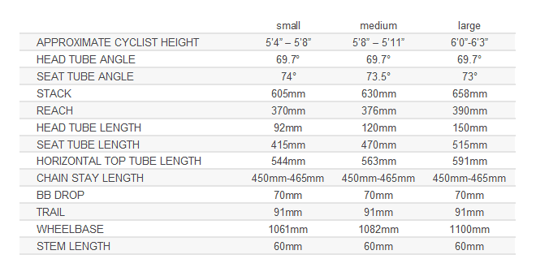
 | SMALL | SMALL | MEDIUM | LARGE
 | APPROXIMATIVE CYCLIST HEIGHT | 5’4’’ – 5’8’’ | 5’8’’ – 5’11’’ | 5’11’’ – 6’3’’
 | STANDOVER HEIGHT | 750mm | 810mm | 860mm
 | HEAD TUBE ANGLE | 69° | 69.7° | 69.7°
 | SEAT TUBE ANGLE | 74° | 73.5° | 73°
 | STACK | 602mm | 630mm | 658mm
 | REACH | 373mm | 377mm | 390mm
 | HEAD TUBE LENGTH | 92mm | 120mm | 150mm
 | SEAT TUBE LENGTH | 415mm | 470mm | 515mm
 | HORIZONTAL TOP TUBE LENGTH | 546mm | 560mm | 591mm
 | CHAINSTAY LENGTH | 450-465mm | 450-465mm | 450-465mm
 | BB DROP | 70mm | 70mm | 70mm
 | FORK RAKE/OFFSET | 40mm | 40mm | 40mm
 | WHEELBASE | 1052mm | 1072mm | 1095mm
 | TRAIL | 100mm | 95mm | 95mm
 | STEM LENGTH | 60mm | 60mm | 60mm

Panorama Taiga EXP 2022
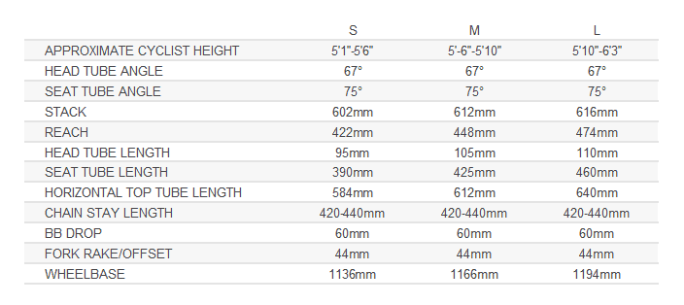
frame_size | frame_size | size | small | medium | large
stack | head_tube_angle | head tube angle | 69.7 | 69.7 | 69.7
reach | seat_tube_angle | seat tube angle | 74 | 73.5 | 73
seat_tube_length | stack | stack | 605 | 630 | 658
top_tube_effective_length | reach | reach | 370 | 376 | 390
head_tube_angle | head_tube_length | head tube length | 92 | 120 | 150
seat_tube_angle | seat_tube_length | seat tube length | 415 | 470 | 515
head_tube_length | top_tube_effective_length | horizontal top tube length | 544 | 563 | 591
bottom_bracket_drop | chainstay_length | chain stay length | 450 | 450 | 450
chainstay_length | bottom_bracket_drop | bb drop | 70 | 70 | 70
wheelbase | trail | trail | 91 | 91 | 91
fork_offset_rake | wheelbase | wheelbase | 1061 | 1082 | 1100
standover | stem_length | stem length | 60 | 60 | 60
crank_length | fork_offset_rake | fork_offset_rake
handlebar_width | standover | standover
stem_length | crank_length | crank_length
wheel_size | handlebar_width | handlebar_width
tire_width_spec | wheel_size | wheel_size | 29 | 29 | 29
tire_width_max | tire_width_spec | tire_width_spec | 57.15 | 57.15 | 57.15
 | tire_width_max | tire_width_max |  |  |  | Flat bar geometry

Ridley Kanzo Adventure New 2022
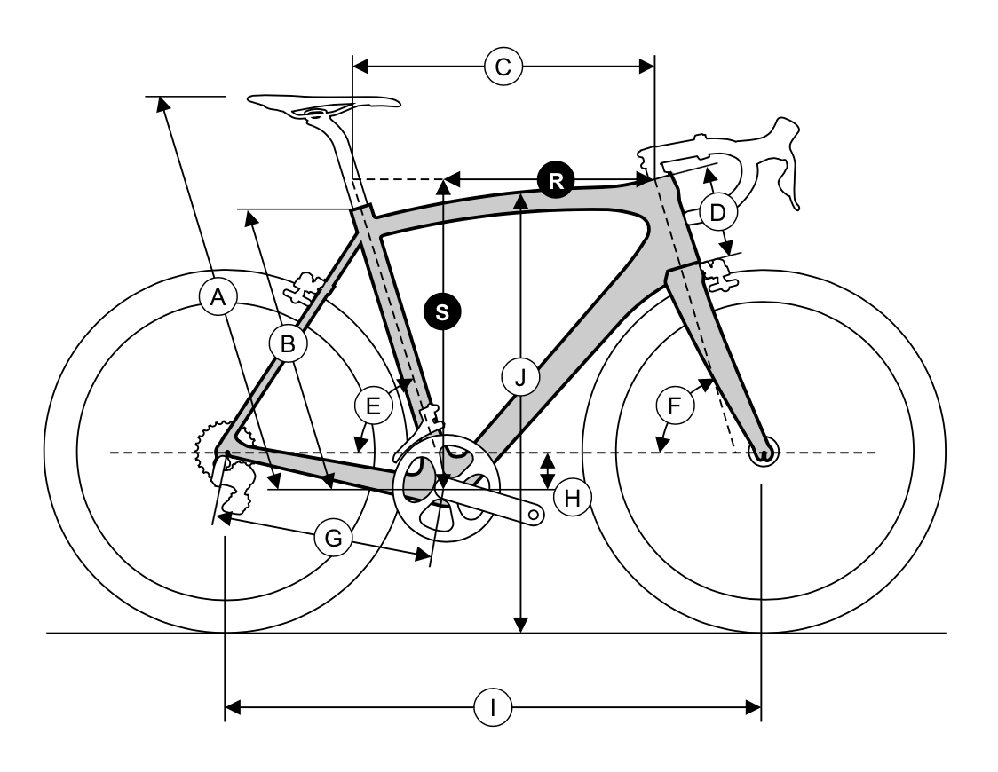
frame_size | Frame Size | XS | S | M | L | XL
seat_tube_effective_length | A | 760 | 785 | 810 | 835 | 860
seat_tube_length | B | 470 | 495 | 520 | 545 | 570
top_tube_effective_length | C | 530 | 550 | 570 | 592 | 615
head_tube_length | D | 115 | 140 | 165 | 192 | 215
seat_tube_angle | E | 74.5 | 74 | 74 | 74 | 73.5
head_tube_angle | F | 70.8 | 70.8 | 70.5 | 70.5 | 70.5
chainstay_length | G | 435 | 435 | 435 | 435 | 435
bottom_bracket_drop | H | 75 | 75 | 75 | 75 | 75
wheelbase | I | 1024 | 1041 | 1065 | 1088 | 1107
standover | J | 791 | 814 | 836 | 862 | 884
stack | S | 546 | 569 | 591 | 617 | 639
reach | R | 379 | 387 | 401 | 415 | 426
fork_offset_rake | fork_offset_rake | 50 | 50 | 50 | 50 | 50 | bike.rumor
crank_length | crank_length | 172 | 172 | 172 | 172 | 172
handlebar_width | handlebar_width | 440 | 440 | 440 | 440 | 440
stem_length | stem_length | 90 | 90 | 90 | 90 | 90
axle_crown |  | 400 | 400 | 400 | 400 | 400
wheel_size | wheel_size | 700 | 700 | 700 | 700 | 700
tire_width_spec | tire_width_spec | 44 | 44 | 44 | 44 | 44
tire_width_max | tire_width_max | 53 | 53 | 53 | 53 | 53
rider_min | rider_min | 165 | 172 | 176 | 185 | 193
rider_max | rider_max | 172 | 176 | 185 | 193 | 196

 | ht | ins
 | 156 | 62
 | 157 | 63
 | 158 | 64
 | 159 | 65
 | 160 | 66
 | 161 | 67
 | 162 | 68
 | 163 | 69
 | 164 | 70
64.960629921 | 165 | 72 | XXS
 | 166 | 72.580645161 | XS
 | 167 | 73.161290323 | XS
 | 168 | 73.741935484 | XS
 | 169 | 74.322580645 | XS
 | 170 | 74.903225806 | XS
 | 171 | 75.483870968
 | 172 | 76.064516129 | XS
 | 173 | 76.64516129 | S
 | 174 | 77.225806452
 | 175 | 77.806451613 | S
 | 176 | 78.387096774 | M
 | 177 | 78.967741935
 | 178 | 79.548387097
 | 179 | 80.129032258 | M
 | 180 | 80.709677419 | M
 | 181 | 81.290322581
 | 182 | 81.870967742
 | 183 | 82.451612903
 | 184 | 83.032258065 | M
 | 185 | 83.612903226 | M
 | 186 | 84.193548387 | L
 | 187 | 84.774193548
 | 188 | 85.35483871 | L
 | 189 | 85.935483871 | L
 | 190 | 86.516129032 | L
 | 191 | 87.096774194 | L
 | 192 | 87.677419355
 | 193 | 88.258064516 | L
 | 194 | 88.838709677 | XL
 | 195 | 89.419354839
 | 196 | 90 | XL

Ritchey Outback frameset 2022
frame_size | Frame Size | XS | S | M | L | XL
top_tube_effective_length | Top tube (effective) | 525.9 | 540.6 | 556.5 | 569.8 | 580.6
top_tube_actual | Top tube (actual) | 509.8 | 523.7 | 538.5 | 551.9 | 563.4
seat_tube_length | Seat tube (c-t) | 440 | 465 | 490 | 515 | 540
seat_tube_angle | Seat tube angle | 74 | 73.5 | 73 | 73 | 73
head_tube_length | Head tube length | 115 | 130 | 150 | 170 | 190
head_tube_angle | Head tube angle | 69.5 | 70 | 70.5 | 71 | 71
bottom_bracket_drop | BB drop | 70 | 70 | 68 | 68 | 68
chainstay_length | Chainstay | 453 | 453 | 453 | 453 | 453
wheelbase | Wheelbase | 1046.5 | 1052.6 | 1060.4 | 1069.6 | 1081.1
standover | Standover height | 753.5 | 772.8 | 795.5 | 817.8 | 839.1
stack | Stack | 531.7 | 547.7 | 566.5 | 587.4 | 606.3
reach | Reach | 373 | 378 | 383 | 390 | 395
fork_offset_rake | Fork rake | 50 | 50 | 50 | 50 | 50
fork_rate | Fork Length | 390 | 390 | 390 | 390 | 390
axle_crown | Axle to crown | 393 | 393 | 393 | 393 | 393
crank_length | crank_length
handlebar_width | handlebar_width
stem_length | stem_length
wheel_size | wheel_size | 650 | 650 | 650 | 650 | 650
tire_width_spec | tire_width_spec | 53.34 | 53.34 | 53.34 | 53.34 | 53.34
tire_width_max | tire_width_max
rider_min | rider_min | 154.94 | 161.29 | 171.45 | 177.8 | 185.42
rider_max | rider_max | 161.29 | 171.45 | 177.8 | 185.42 | 190.5
 |  | 61 | 63 | 67 | 70 | 73
 |  | 64 | 68 | 70 | 73 | 75
 | Frame Size XS(5’1”-5’4”) S(5’3”-5’8”) M (5’7-5’10”) L (5’10”-6’1”) XL (6’1”-6’3)
 | https://www.reddit.com/r/gravelcycling/comments/x919wo/help_with_ritchey_outback_sizing/ |  | L

 |  |  | A B C D E F G H



 |  |  | J JKK




 |  |  | C DF

 |  |  | N

 |  |  | M

 |  |  | L M N

Santa Cruz Stigmata CC 2023
model | Santa Cruz Stigmata
model year | 2023
input date | 1-Aug-23
URL | https://www.santacruzbicycles.com/en-US/bikes/stigmata
Material | carbon
frame_size | Frame Size | S | M | L | XL | XXL
reach | Reach | 390 | 405 | 420 | 435 | 450 |  | rc^2 + bbd^2 = cs^2
stack | Stack | 564 | 576 | 600 | 612 | 631
seat_tube_length | Seat Tube Length | 455 | 485 | 515 | 545 | 575
front_center | Front Center | 625 | 645 | 668 | 688 | 710
bottom_bracket_height | BB Height | 278 | 280 | 280 | 282 | 282
bottom_bracket_drop | BB Drop | 78 | 76 | 76 | 74 | 74
wheelbase | Wheelbase | 1043 | 1063 | 1087 | 1108 | 1130
rear_center | Rear Center | 423 | 423 | 423 | 423 | 423 | *illustrating horizontal
head_tube_length | Head Tube Length | 105 | 120 | 145 | 160 | 180
top_tube_effective_length | Top Tube Length | 552 | 570 | 592 | 610 | 631
seat_tube_angle | Seat Tube Angle | 74 | 74 | 74 | 74 | 74
standover | Standover Height | 728 | 753 | 778 | 804 | 830
chainstay_length_computed | chainstay_length | 430.13137528 | 429.773196 | 429.773196 | 429.42403286 | 429.42403286
chainstay_length | chainstay_length | 430 | 430 | 430 | 430 | 430 | * reported by grand fondo
head_tube_angle | head_tube_angle | 69.5 | 69.5 | 69.5 | 69.5 | 69.5 | * reported but not on chart
rear_+_front | rear + front | 1048 | 1068 | 1091 | 1111 | 1133
wb_if_rc_is_cs | wb_if_rc_is_cs | 1040.7463169 | 1061.1165702 | 1084.1165702 | 1104.4768901 | 1126.4768901
fork_offset_rake | fork_offset_rake | 45 | 45 | 45 | 45 | 45 | * FAQ
axle_crown | axle_crown | 430 | 430 | 430 | 430 | 430 | * FAQ
crank_length | crank_length
handlebar_width | handlebar_width
stem_length | stem_length | 70 | 70 | 70 | 70 | 70
wheel_size | wheel_size | 700 | 700 | 700 | 700 | 700
tire_width_spec | tire_width_spec | 45 | 45 | 45 | 45 | 45
tire_width_max | tire_width_max | 50 | 50 | 50 | 50 | 50
rider_min | rider_min | 160 | 168 | 175 | 183 | 188
rider_max | rider_max | 168 | 175 | 183 | 188 | 198

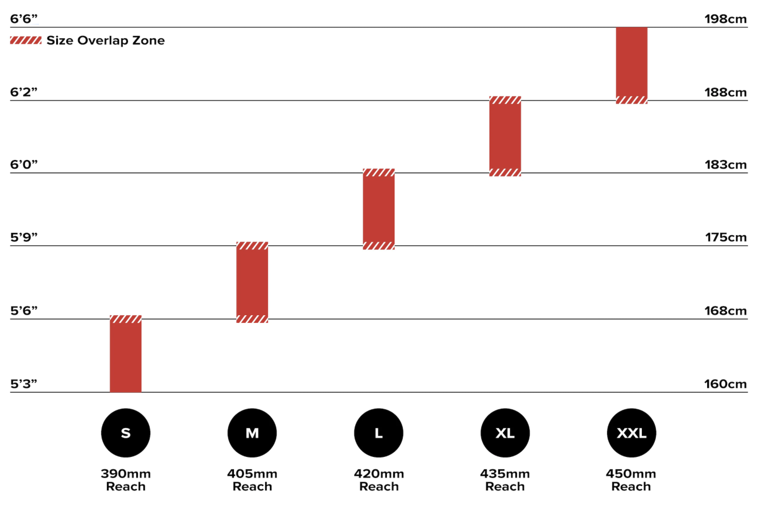
 |  | S | M | L | XL | XXL
 | Reach | 390 | 405 | 420 | 435 | 450
 | Stack | 564 | 576 | 600 | 612 | 631
 | Seat Tube Length | 455 | 485 | 515 | 545 | 575
 | Front Center | 625 | 645 | 668 | 688 | 710
 | BB Height | 278 | 280 | 280 | 282 | 282
 | BB Drop | 78 | 76 | 76 | 74 | 74
 | Wheelbase | 1043 | 1063 | 1087 | 1108 | 1130
 | Rear Center | 423 | 423 | 423 | 423 | 423
 | Head Tube Length | 105 | 120 | 145 | 160 | 180
 | Top Tube Length | 552 | 570 | 592 | 610 | 631
 | Seat Tube Angle | 74° | 74° | 74° | 74° | 74°
 | Standover Height | 728 | 753 | 778 | 804 | 830

Soma Wolverine 2022
frame_size | Size | 46 | 50 | 52 | 54 | 56 | 58 | 60 | 62 | 66
seat_tube_length | Seat Tube | 460 | 500 | 520 | 540 | 560 | 580 | 600 | 620 | 635
top_tube_effective_length | Top Tube, Effective | 531 | 546 | 555 | 566 | 575 | 587 | 600 | 615 | 630
head_tube_angle | Head Tube Angle | 71 | 71 | 71.5 | 72 | 72 | 72 | 72 | 72 | 72
seat_tube_angle | Seat Tube Angle | 74 | 74 | 73.5 | 73.5 | 73.5 | 73 | 73 | 72.5 | 72.5
chainstay_length | Chainstay Length | 427 | 427 | 427 | 427 | 427 | 427 | 427 | 427 | 427
head_tube_length | Head tube Length | 120 | 120 | 130 | 155 | 170 | 185 | 200 | 210 | 240
bottom_bracket_drop | Bottom Bracket Drop | 66 | 70 | 70 | 70 | 70 | 70 | 70 | 70 | 66
standover_in | Standover Height | 29.1 | 30.2 | 30.7 | 31.6 | 32.3 | 32.9 | 33.6 | 34.2 | 34.5
front_center | Front Center | 596 | 610 | 610 | 616 | 625 | 632 | 644 | 654 | 671
wheelbase | Wheelbase | 1013 | 1027 | 1029 | 1034 | 1043 | 1050 | 1063 | 1070 | 1089
stack | Frame Stack | 554 | 554 | 566 | 591 | 605 | 619 | 635 | 644 | 668
reach | Frame Reach | 372 | 385 | 387 | 391 | 394 | 398 | 406 | 412 | 420
fork_offset_rake | Fork Rake | 50 | 50 | 50 | 50 | 50 | 50 | 50 | 50 | 50
standover | standover (mm) | 739.14 | 767.08 | 779.78 | 802.64 | 820.42 | 835.66 | 853.44 | 868.68 | 876.3
crank_length
handlebar_width
stem_length
wheel_size |  | 700 | 700 | 700 | 700 | 700 | 700 | 700 | 700 | 700
tire_width_spec |  | 45 | 45 | 45 | 45 | 45 | 45 | 45 | 45 | 45
tire_width_max |  | 45 | 45 | 45 | 45 | 45 | 45 | 45 | 45 | 45
rider_min |  | 150 | 166.5 | 170.5 | 174 | 180.5 | 182.5 | 186.5 | 190.5 | 197
rider_max |  | 166.5 | 170.5 | 174 | 180.5 | 182.5 | 186.5 | 190.5 | 197 | 205
rider_min |  | 150 | 165 | 168 | 173 | 178 | 180 | 185 | 188 | 196
rider_max |  | 168 | 173 | 175 | 183 | 185 | 188 | 193 | 198 | 205

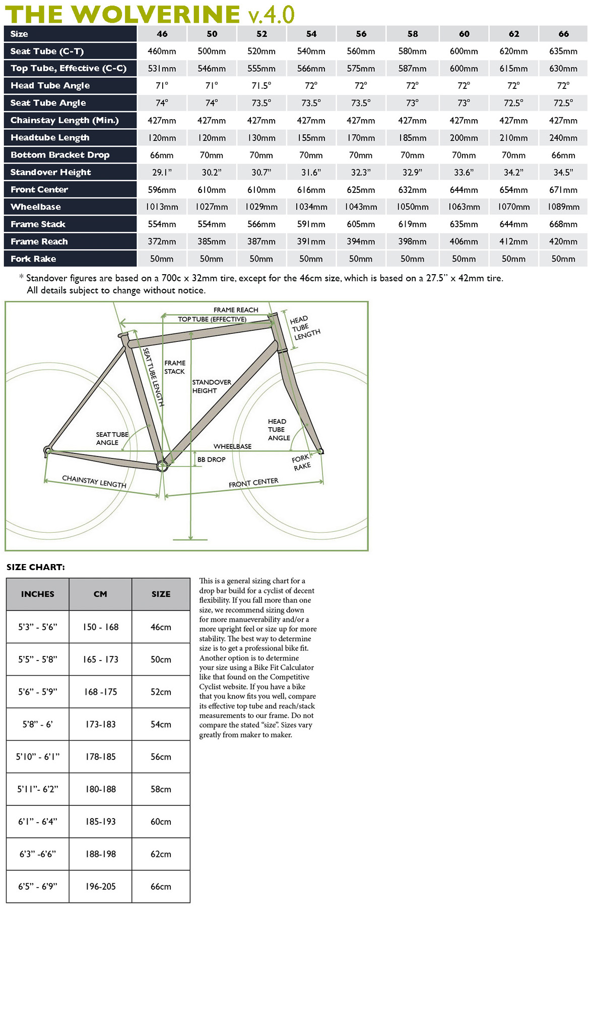

 |  |  |  |  |  |  | 150 | 165 | 168 | 173 | 178 | 180 | 185 | 188 | 196
 |  |  |  |  |  |  | 168 | 173 | 175 | 183 | 185 | 188 | 193 | 198 | 205

Specialized Diverge 2022

frame_size | Frame Size | 49 | 52 | 54 | 56 | 58 | 61 | 64
crank_length | Crank Length | 165 | 170 | 172.5 | 172.5 | 175 | 175 | 175
stem_length | Stem Length | 60 | 70 | 80 | 90 | 100 | 100 | 110
handlebar_width | Handlebar Width | 380 | 400 | 420 | 420 | 440 | 440 | 440
seatpost_length | Seatpost Length | 330 | 330 | 380 | 380 | 380 | 380 | 380
saddle_width | Saddle Width | 155 | 155 | 143 | 143 | 143 | 143 | 143
stack | Stack | 571 | 577 | 592 | 610 | 634 | 659 | 684
reach | Reach | 365 | 374 | 383 | 392 | 401 | 410 | 419
head_tube_length | Head Tube Length | 99 | 104 | 116 | 133 | 159 | 185 | 209
head_tube_angle | Head Tube Angle | 70 | 70.5 | 71.25 | 71.75 | 71.75 | 71.75 | 72.25
bottom_bracket_height | BB Height | 270 | 270 | 270 | 270 | 270 | 270 | 270
bottom_bracket_drop | BB Drop | 80 | 80 | 80 | 80 | 80 | 80 | 80
trail | Trail | 69 | 66 | 61 | 57 | 57 | 57 | 54
axle_crown | Fork Length, Full | 389 | 389 | 389 | 389 | 389 | 389 | 389
fork_offset_rake | Fork Rake/Offset | 55 | 55 | 55 | 55 | 55 | 55 | 55
front_center | Front Center | 607 | 614 | 620 | 630 | 647 | 664 | 675
chainstay_length | Chainstay Length | 425 | 425 | 425 | 425 | 425 | 425 | 425
wheelbase | Wheelbase | 1019 | 1026 | 1032 | 1042 | 1059 | 1076 | 1088
top_tube_effective_length | Top Tube Length, Horizontal | 529 | 542 | 558 | 573 | 589 | 605 | 628
standover | Bike Standover Height | 700 | 725 | 754 | 779 | 805 | 832 | 859
seat_tube_length | Seat Tube Length | 390 | 430 | 470 | 500 | 530 | 560 | 590
seat_tube_angle | Seat Tube Angle | 74 | 73.75 | 73.5 | 73.5 | 73.5 | 73.5 | 73
wheel_size | wheel_size | 700 | 700 | 700 | 700 | 700 | 700 | 700
tire_width_spec | tire_width_spec | 42 | 42 | 42 | 42 | 42 | 42 | 42
tire_width_max | tire_width_max | 47 | 47 | 47 | 47 | 47 | 47 | 47
rider_min | rider_min | 152 | 163 | 170 | 175 | 180 | 188 | 196
rider_max | rider_max | 163 | 170 | 175 | 180 | 188 | 196 | 205

 |  | 49 | 52 | 54 | 56 | 58 | 61 | 64
 | Crank Length | 165mm | 170mm | 172.5mm | 172.5mm | 175mm | 175mm | 175mm
 | Stem Length | 60mm | 70mm | 80mm | 90mm | 100mm | 100mm | 110mm
 | Handlebar Width | 380mm | 400mm | 420mm | 420mm | 440mm | 440mm | 440mm
 | Seatpost Length | 330mm | 330mm | 380mm | 380mm | 380mm | 380mm | 380mm
 | Saddle Width | 155mm | 155mm | 143mm | 143mm | 143mm | 143mm | 143mm
 | Stack | 571mm | 577mm | 592mm | 610mm | 634mm | 659mm | 684mm
 | Reach | 365mm | 374mm | 383mm | 392mm | 401mm | 410mm | 419mm
 | Head Tube Length | 99mm | 104mm | 116mm | 133mm | 159mm | 185mm | 209mm
 | Head Tube Angle | 70° | 70.5° | 71.25° | 71.75° | 71.75° | 71.75° | 72.25°
 | BB Height | 270mm | 270mm | 270mm | 270mm | 270mm | 270mm | 270mm
 | BB Drop | 80mm | 80mm | 80mm | 80mm | 80mm | 80mm | 80mm
 | Trail | 69mm | 66mm | 61mm | 57mm | 57mm | 57mm | 54mm
 | Fork Length, Full | 389mm | 389mm | 389mm | 389mm | 389mm | 389mm | 389mm
 | Fork Rake/Offset | 55mm | 55mm | 55mm | 55mm | 55mm | 55mm | 55mm
 | Front Center | 607mm | 614mm | 620mm | 630mm | 647mm | 664mm | 675mm
 | Chainstay Length | 425mm | 425mm | 425mm | 425mm | 425mm | 425mm | 425mm
 | Wheelbase | 1019mm | 1026mm | 1032mm | 1042mm | 1059mm | 1076mm | 1088mm
 | Top Tube Length, Horizontal | 529mm | 542mm | 558mm | 573mm | 589mm | 605mm | 628mm
 | Bike Standover Height | 700mm | 725mm | 754mm | 779mm | 805mm | 832mm | 859mm
 | Seat Tube Length | 390mm | 430mm | 470mm | 500mm | 530mm | 560mm | 590mm
 | Seat Tube Angle | 74° | 73.75° | 73.5° | 73.5° | 73.5° | 73.5° | 73°
 | Geometry

Squid Gravtron 2022
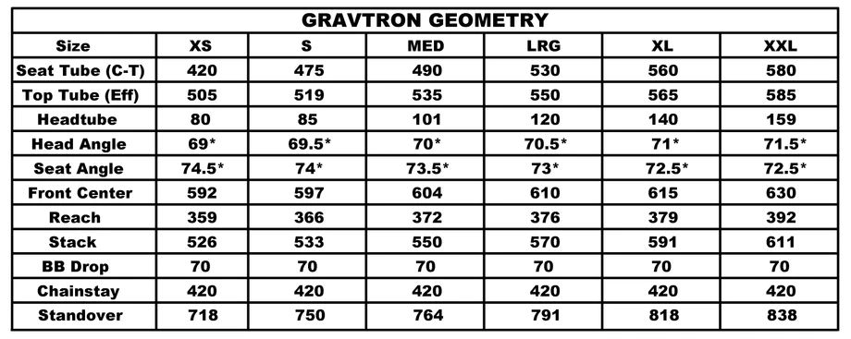
frame_size | Size | XS | S | MED | LRG | XL | XXL
seat_tube_length | Seat Tube | 420 | 475 | 490 | 530 | 560 | 580
top_tube_effective_length | Top Tube effective | 505 | 519 | 535 | 550 | 565 | 585
head_tube_length | Headtube | 80 | 85 | 101 | 120 | 140 | 159
head_tube_angle | Head Angle | 69 | 69.5 | 70 | 70.5 | 71 | 71.5
seat_tube_angle | Seat Angle | 74.5 | 74 | 73.5 | 73 | 72.5 | 72.5
front_center | Front Center | 592 | 597 | 604 | 610 | 615 | 630
reach | Reach | 359 | 366 | 372 | 376 | 379 | 392
stack | Stack | 526 | 533 | 550 | 570 | 591 | 611
bottom_bracket_drop | BB drop | 70 | 70 | 70 | 70 | 70 | 70
chainstay_length | Chainstay | 420 | 420 | 420 | 420 | 420 | 420
standover | Standover | 718 | 750 | 764 | 791 | 818 | 838
wheelbase | wheelbase | 1021.9175253 | 1026.8832207 | 1033.8361388 | 1039.7966344 | 1044.7642973 | 1059.6703368
axle_to_crown |  | 415 | 415 | 415 | 415 | 415 | 415
fork_offset_rake | fork_offset_rake | 50 | 50 | 50 | 50 | 50 | 50
crank_length | crank_length
handlebar_width | handlebar_width
stem_length | stem_length
wheel_size | wheel_size | 700 | 700 | 700 | 700 | 700 | 700
tire_width_spec | tire_width_spec | 40 | 40 | 40 | 40 | 40 | 40
tire_width_max | tire_width_max | 40 | 40 | 40 | 40 | 40 | 40
rider min
rider max

Why R+ V4 2022
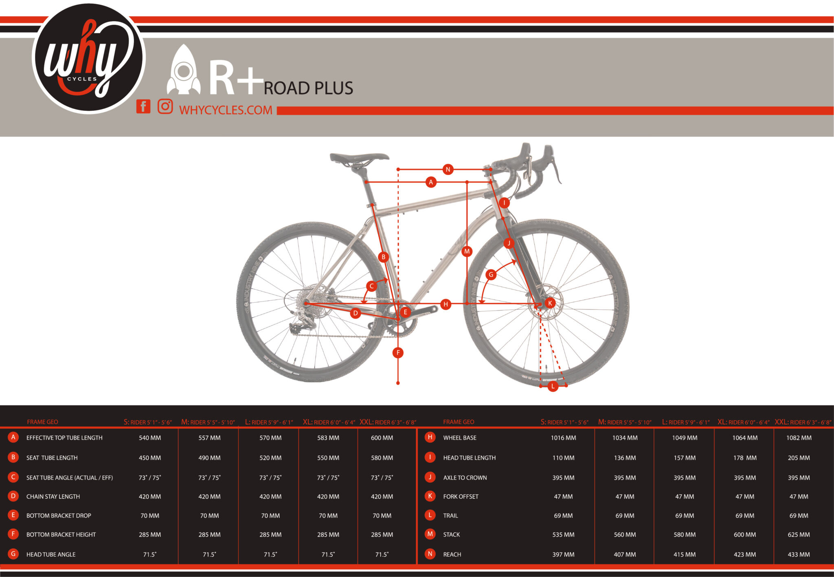
frame_size | Frame Size | S | M | L | XL | XXL
top_tube_effective_length | Effective Top Tube Length | 540 | 557 | 570 | 583 | 600
seat_tube_length | Seat Tube Length | 450 | 490 | 520 | 550 | 580
seat_tube_angle | Seat Tube Angle | 73 | 73 | 73 | 73 | 73
chainstay_length | Chainstay Length | 420 | 420 | 420 | 420 | 420
bottom_bracket_drop | Bottom Bracket Drop | 70 | 70 | 70 | 70 | 70
bottom_bracket_height | Bottom Bracket Height | 285 | 285 | 285 | 285 | 285
head_tube_angle | Head Tube Angle | 71.5 | 71.5 | 71.5 | 71.5 | 71.5
wheelbase | Wheelbase | 1016 | 1034 | 1049 | 1064 | 1082
head_tube_length | Head Tube Length | 110 | 136 | 157 | 178 | 205
axle_crown | Axle to Crown | 395 | 395 | 395 | 395 | 395
fork_offset_rake | Fork Offset | 47 | 47 | 47 | 47 | 47
trail | Trail | 69 | 69 | 69 | 69 | 69
stack | Stack | 535 | 560 | 580 | 600 | 625
reach | Reach | 397 | 407 | 415 | 423 | 433
standover | standover
crank_length | crank_length
handlebar_width | handlebar_width
stem_length | stem_length
wheel_size | wheel_size | 700 | 700 | 700 | 700 | 700
tire_width_spec | tire_width_spec | 50 | 50 | 50 | 50 | 50
tire_width_max | tire_width_max | 40 | 40 | 40 | 40 | 40
rider_min | rider_min | 155 | 165 | 175 | 183 | 190
rider_max | rider_max | 168 | 178 | 185 | 193 | 203

 |  | S | M | L | XL | XXL
RIDER HEIGHT (in.) | 5'1"-5'6" | 5'5"-5'10" | 5'9"-6'1" | 6'0"-6'4" | 6'3"-6'8"
RIDER HEIGHT (cm) | 155 -168cm | 165 - 178cm | 175 - 185cm | 183 - 193cm | 190 - 203cm
EFFECTIVE TOP TUBE LENGTH | 540mm | 557mm | 570mm | 583mm | 600mm
SEAT TUBE LENGTH | 450mm | 490mm | 520mm | 550mm | 580mm
SEAT TUBE ANGLE (EFFECTIVE/ACTUAL) | 75°/73° | 75°/73° | 75°/73° | 75°/73° | 75°/73°
CHAIN STAY LENGTH | 420mm | 420mm | 420mm | 420mm | 420mm
BOTTOM BRACKET DROP | 70mm | 70mm | 70mm | 70mm | 70mm
BOTTOM BRACKET HEIGHT | 285mm | 285mm | 285mm | 285mm | 285mm
HEAD TUBE ANGLE | 71.5° | 71.5° | 71.5° | 71.5° | 71.5°
WHEEL BASE | 1016mm | 1034mm | 1049mm | 1064mm | 1082mm
HEAD TUBE LENGTH | 110mm | 136mm | 157mm | 178mm | 205mm
AXLE TO CROWN | 395mm | 395mm | 395mm | 395mm | 395mm
FORK OFFSET | 47mm | 47mm | 47mm | 47mm | 47mm
TRAIL | 69mm | 69mm | 69mm | 69mm | 69mm
STACK | 535mm | 560mm | 580mm | 600mm | 625mm
REACH | 397mm | 407mm | 415mm | 423mm | 433mm
STANDOVER | 720mm | 760mm | 775mm | 795mm | 823mm

Wilde Earth Ship Steel 2023
model | Wilde Earth Ship Steel Frameset
model year | 2022 | 21-Dec-21
input date | 30-Jun-23
URL | https://www.wildebikes.com/collections/bikes/products/earth-ship-steel-frameset
Material | steel
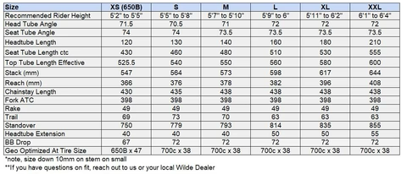
frame_size | size | XS | S | M | L | XL | XXL
head_tube_angle | head_tube_angle | 71.5 | 70.5 | 71 | 72 | 72 | 72
seat_tube_angle | seat_tube_angle | 74 | 74 | 73.5 | 73.5 | 73.5 | 73.5
head_tube_length | head_tube_length | 120 | 130 | 140 | 160 | 180 | 210
seat_tube_length | seat_tube_length | 430 | 460 | 480 | 510 | 530 | 555
top_tube_effective_length | top_tube_effective_length | 525.5 | 540 | 550 | 560 | 580 | 600
stack | stack | 547 | 564 | 573 | 598 | 617 | 644
reach | reach | 366 | 376 | 378 | 382 | 396 | 408
chainstay_length | chainstay_length | 430 | 435 | 438 | 438 | 438 | 438
axle_crown | axle_crown | 398 | 398 | 398 | 398 | 398 | 398
fork_offset_rake | fork_offset_rake | 49 | 49 | 49 | 49 | 49 | 49
trail_spec | trail_spec | 69 | 73 | 70 | 63 | 63 | 63
standover | standover | 750 | 779 | 793 | 814 | 35 | 855
headtube_extension | headtube_extension | 40 | 40 | 40 | 50 | 50 | 55
bottom_bracket_drop | bottom_bracket_drop | 67 | 72 | 72 | 72 | 72 | 72
wheelbase | wheelbase
handlebar_width | handlebar_width
stem_length | stem_length
crank_length | crank_length
wheel_size | wheel_size | 650 | 700 | 700 | 700 | 700 | 700
tire_width_spec | tire_width_spec | 47 | 38 | 38 | 38 | 38 | 38
tire_width_max | tire_width_max
rider_min | rider_min | 157.5 | 165.1 | 171.5 | 176.5 | 181.6 | 186.7
rider_max | rider_max | 165.1 | 171.5 | 176.5 | 181.6 | 186.7 | 193.0

 | recommended rider height | 62 | 65 | 67 | 69 | 71 | 73
 |  | 65 | 68 | 70 | 72 | 74 | 76

Wilde Rambler SL 2023
model | Wilde Rambler SL
model year | 2023
input date
URL | https://www.wildebikes.com/collections/bikes/products/rambler-sl
Material | steel
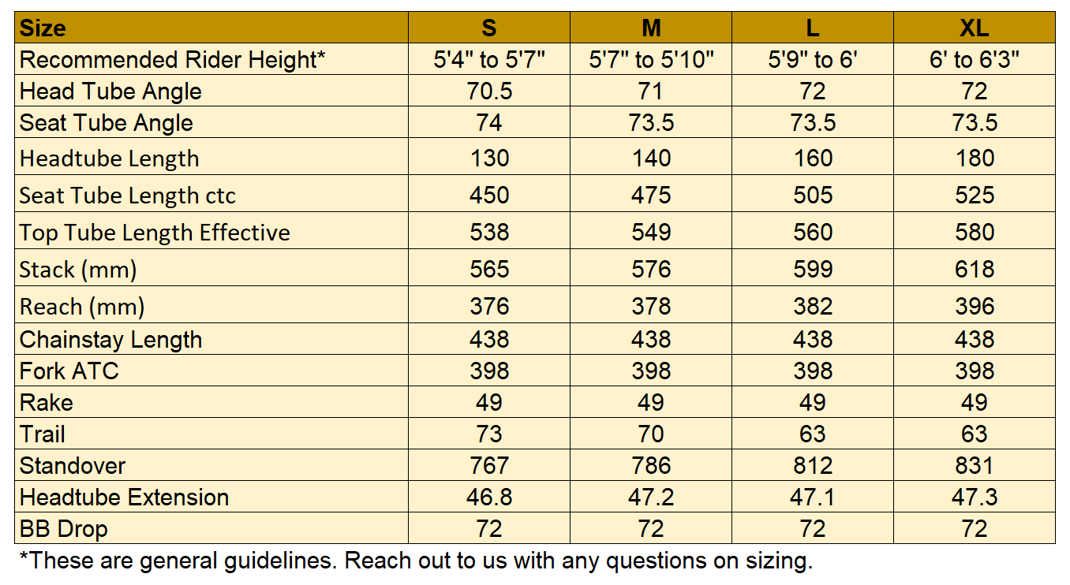
frame_size | size | S | M | L | XL
head_tube_angle | head_tube_angle | 70.5 | 71 | 72 | 72
seat_tube_angle | seat_tube_angle | 74 | 73.5 | 73.5 | 73.5
head_tube_length | head_tube_length | 130 | 140 | 160 | 180
seat_tube_length | seat_tube_length | 450 | 475 | 505 | 525
top_tube_effective_length | top_tube_effective_length | 538 | 549 | 560 | 580
stack | stack | 565 | 576 | 599 | 618
reach | reach | 376 | 378 | 382 | 396
chainstay_length | chainstay_length | 438 | 438 | 438 | 438
axle_crown | axle_crown | 398 | 398 | 398 | 398
fork_offset_rake | fork_offset_rake | 49 | 49 | 49 | 49
trail_spec | trail_spec | 73 | 70 | 63 | 63
standover | standover | 767 | 786 | 812 | 831
headtube_extension | headtube_extension | 46.8 | 47.2 | 47.1 | 47.3
bottom_bracket_drop | bottom_bracket_drop | 72 | 72 | 72 | 72
wheelbase | wheelbase
handlebar_width | handlebar_width
stem_length | stem_length | 90 | 90 | 90 | 90
crank_length | crank_length
wheel_size | wheel_size | 700 | 700 | 700 | 700
tire_width_spec | tire_width_spec | 42 | 42 | 42 | 42
tire_width_max | tire_width_max | 53.34 | 53.34 | 53.34 | 53.34
rider_min | rider_min | 162.6 | 170.2 | 176.5 | 182.9
rider_max | rider_max | 170.2 | 176.5 | 182.9 | 190.5
 |  | 64 | 67 | 69 | 72
 |  | 67 | 70 | 72 | 75

Wilier Jena 2022
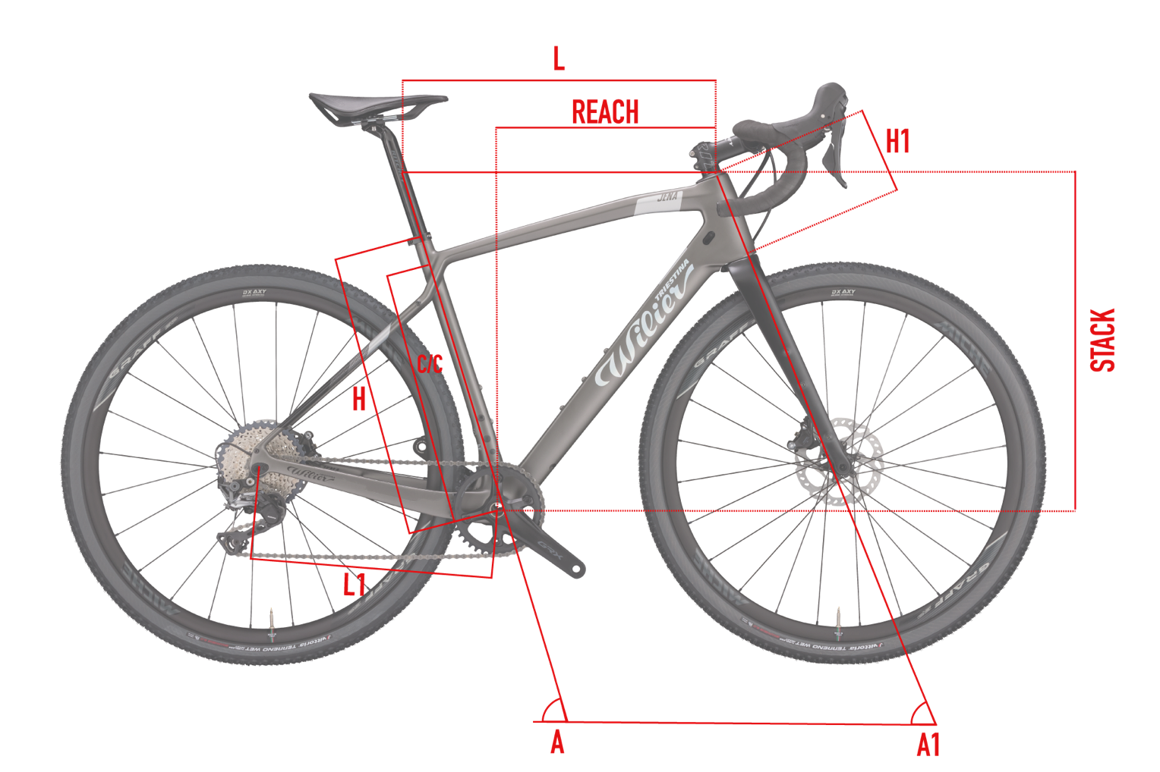
frame_size | Size | XS | S | M | L | XL
seat_tube_c_c | C / C | 380 | 410 | 440 | 470 | 510
top_tube_effective_length | L | 508 | 531 | 554 | 577 | 600
seat_tube_length | H | 440 | 470 | 500 | 530 | 570
seat_tube_angle | A | 75 | 74.3 | 73.7 | 73.1 | 72.6
head_tube_length | H1 | 100 | 125 | 150 | 175 | 200
chainstay_length | L1 | 423 | 423 | 423 | 423 | 423
head_tube_angle | A1 | 70 | 70.5 | 71 | 71.5 | 72
reach | REACH | 363 | 372 | 382 | 391 | 401
stack | STACK | 531 | 556 | 582 | 608 | 633
wheelbase | wheelbase | 995 | 1009 | 1023 | 1036 | 1048
bottom_bracket_drop | bottom_bracket_drop | 75 | 75 | 75 | 75 | 75 | https://www.cxmagazine.com/reviewed-wilier-triestina-jena-carbon-gravel-bike-ultegra-di2
fork_offset_rake | fork_offset_rake
standover | standover
crank_length | crank_length
handlebar_width | handlebar_width
stem_length | stem_length
wheel_size | wheel_size | 700 | 700 | 700 | 700 | 700
tire_width_spec | tire_width_spec | 40 | 40 | 40 | 40 | 40
tire_width_max | tire_width_max | 44 | 44 | 44 | 44 | 44
rider_min | rider_min
rider_max | rider_max

 | Size | C / C | L | H | A | H1 | L1 | A1 | REACH | STACK
 | XS | 380 | 508 | 440 | 75 | 100 | 423 | 70 | 363 | 531
 | S | 410 | 531 | 470 | 74.3 | 125 | 423 | 70.5 | 372 | 556
 | M | 440 | 554 | 500 | 73.7 | 150 | 423 | 71 | 382 | 582
 | L | 470 | 577 | 530 | 73.1 | 175 | 423 | 71.5 | 391 | 608
 | XL | 510 | 600 | 570 | 72.6 | 200 | 423 | 72 | 401 | 633

 | DIMENSIONE | C / C | L | H | A | H1 | L1 | A1 | REACH | STACK
 |  | [Cm] | [Cm] | [Cm] | [°] | [Cm] | [Cm] | [°] | [Mm] | [Mm]
 | XS | 38 | 50.8 | 44 | 75 | 10 | 42.3 | 70 | 363 | 531
 | S | 41 | 53.1 | 47 | 74.3 | 12.5 | 42.3 | 70.5 | 372 | 556
 | M | 44 | 55.4 | 50 | 73.7 | 15 | 42.3 | 71 | 382 | 582
 | L | 47 | 57.7 | 53 | 73.1 | 17.5 | 42.3 | 71.5 | 391 | 608
 | XL | 51 | 60 | 57 | 72.6 | 20 | 42.3 | 72 | 401 | 633

Wilier Rave SLR 2022
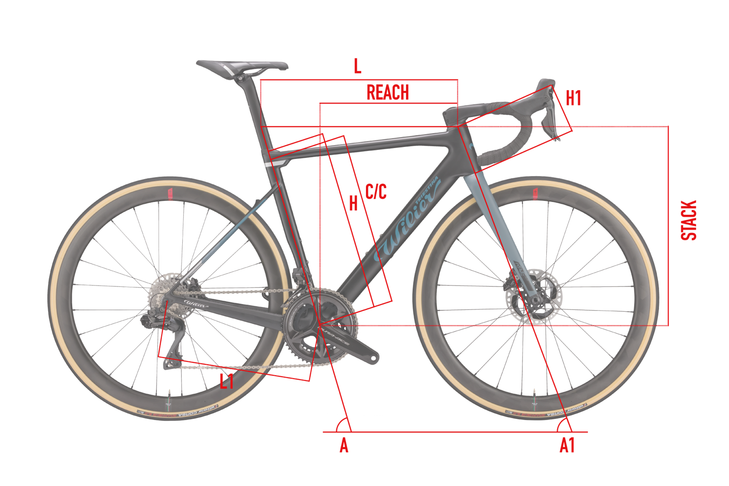
frame_size | SIZE | XS | S | M | L | XL | XXL
seat_tube_length | H | 450 | 480 | 500 | 520 | 540 | 560
seat_tube_cc | C/C | 432 | 462 | 482 | 502 | 522 | 542
top_tube_effective_length | L | 510 | 527 | 545 | 561 | 579 | 597
seat_tube_angle | A | 75 | 74.5 | 74 | 73.5 | 73 | 72.5
head_tube_length | H1 | 98 | 118 | 134 | 154 | 172 | 189
chainstay_length | L1 | 421 | 422 | 423 | 423 | 425 | 427
head_tube_angle | A1 | 70 | 70 | 71 | 71 | 71.5 | 72
reach | REACH | 370 | 377 | 384 | 391 | 398 | 405
stack | STACK | 513 | 532 | 551 | 570 | 589 | 608
wheelbase | WHEELBASE | 997 | 1012 | 1017 | 1031 | 1041 | 1051
bottom_bracket_drop | bottom_bracket_drop | 75 | 75 | 75 | 75 | 75 | 75 | geometry geeks for 2022 model
fork_offset_rake | fork_offset_rake | 50 | 50 | 50 | 50 | 50 | 50 | geometry geeks for 2022 model
standover | standover
crank_length | crank_length
handlebar_width | handlebar_width | 430 | 430 | 430 | 450 | 450 | 450
stem_length | stem_length | 95 | 95 | 95 | 115 | 115 | 115
wheel_size | wheel_size | 700 | 700 | 700 | 700 | 700 | 700
tire_width_spec | tire_width_spec | 38 | 38 | 38 | 38 | 38 | 38
tire_width_max | tire_width_max | 42 | 42 | 42 | 42 | 42 | 42
rider_min | rider_min | 150 | 162 | 169 | 176 | 184 | 191 | using the calculator
rider_max | rider_max | 162 | 169 | 176 | 184 | 191 | 198

 | SIZE | H | C/C | L | A | H1 | L1 | A1 | REACH | STACK | WHEELBASE
 | XS | 450 | 432 | 510 | 75 | 98 | 421 | 70 | 370 | 513 | 997
 | S | 480 | 462 | 527 | 74.5 | 118 | 422 | 70 | 377 | 532 | 1012
 | M | 500 | 482 | 545 | 74 | 134 | 423 | 71 | 384 | 551 | 1017
 | L | 520 | 502 | 561 | 73.5 | 154 | 423 | 71 | 391 | 570 | 1031
 | XL | 540 | 522 | 579 | 73 | 172 | 425 | 71.5 | 398 | 589 | 1041
 | XXL | 560 | 542 | 597 | 72.5 | 189 | 427 | 72 | 405 | 608 | 1051

 | SIZE | H | C/C | L | A | H1 | L1 | A1 | REACH | STACK | WHEELBASE
 |  | [Cm] | [Cm] | [Cm] | [°] | [Cm] | [Cm] | [°] | [Mm] | [Mm] | [Mm]
 | XS | 45 | 43.2 | 51 | 75 | 9.8 | 42.1 | 70 | 370 | 513 | 997
 | S | 48 | 46.2 | 52.7 | 74.5 | 11.8 | 42.2 | 70 | 377 | 532 | 1012
 | M | 50 | 48.2 | 54.5 | 74 | 13.4 | 42.3 | 71 | 384 | 551 | 1017
 | L | 52 | 50.2 | 56.1 | 73.5 | 15.4 | 42.3 | 71 | 391 | 570 | 1031
 | XL | 54 | 52.2 | 57.9 | 73 | 17.2 | 42.5 | 71.5 | 398 | 589 | 1041
 | XXL | 56 | 54.2 | 59.7 | 72.5 | 18.9 | 42.7 | 72 | 405 | 608 | 1051
 | FIND YOUR SIZE DOWNLOAD THE ACCU-FIT TABLE

 | jbar | XS | S | M | L | XL | XXL
 | handlebar width | 430 | 430 | 430 | 450 | 450 | 450
 | stem length | 95 | 95 | 95 | 115 | 115 | 115

